Strategy Analysis
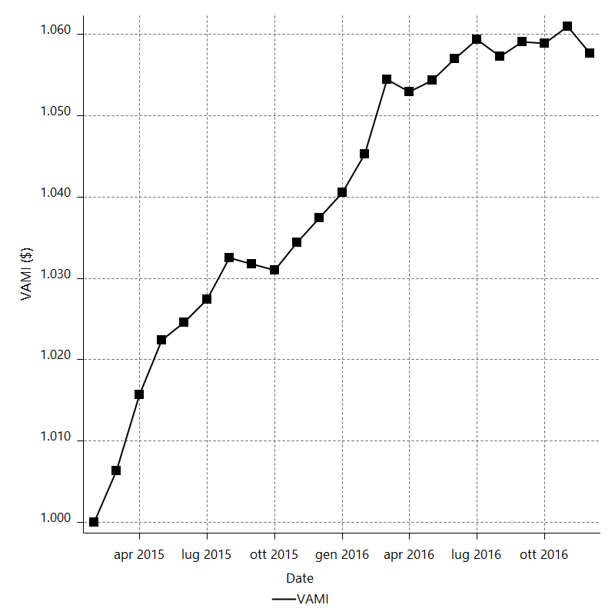
Strategy Performance Summary

 | All Trades | Long Trades | Short Trades
Net Profit | 6066.16 | 2840.43 | 3225.73
Gross Profit | 15433.84 | 7472.405 | 7961.435
Gross Loss | -9367.68 | -4631.975 | -4735.705
Adjusted Net Profit | 4425.7153079 | 1694.7228945 | 2051.6360951
Adjusted Gross Profit | 14322.887887 | 6697.5526972 | 7165.2915
Adjusted Gross Loss | -9897.1725794 | -5002.8298026 | -5113.6554049
Select Net Profit | 6066.16 | 2840.43 | 3225.73
Select Gross Profit | 15433.84 | 7472.405 | 7961.435
Select Gross Loss | -9367.68 | -4631.975 | -4735.705
Account Size Required | 534.93 | 323.5 | 455
Return on Account | 1134.0100574 | 878.0309119 | 708.95164835
Return on Initial Capital | 6.06616 | 2.84043 | 3.22573
Max Strategy Drawdown | -572.91 | -469.8 | -556.6
Max Strategy Drawdown (%) | -0.53909996813 | -0.46226189527 | -0.54606991539
Max Close To Close Drawdown | -534.93 | -323.5 | -455
Max Close To Close Drawdown (%) | -0.50344201763 | -0.31866803656 | -0.44670100996
Return on Max Strategy Drawdown | 10.588329755 | 6.0460408685 | 5.795418613
Profit Factor | 1.6475626836 | 1.6132222216 | 1.6811509585
Adjusted Profit Factor | 1.4471696611 | 1.3387528582 | 1.4012073424
Select Profit Factor | 1.6475626836 | 1.6132222216 | 1.6811509585
Max # Contracts Held | 20 | 20 | 20
Slippage Paid | 1224 | 604.5 | 619.5
Commission Paid | 962 | 473 | 489
Open Position P/L | n/a | n/a | n/a
Annual Rate of Return | 3.1791443853 | 1.4886084584 | 1.6905359268
Monthly Rate of Return | 0.26492869877 | 0.12405070487 | 0.1408779939
Buy & Hold Return | -7185.2060982 | -7185.2060982 | -8188.823822
Avg Monthly Return | 263.74608696
Monthly Return StdDev | 330.19113954
Total # of Trades | 506 | 249 | 257
% Profitable | 38.14229249 | 37.34939759 | 38.910505837

Performance Ratios

Upside Potential Ratio | n/a
Sharpe Ratio | 0.28053482784
Annualized Sharpe Ratio | 0.97180115021
Sortino Ratio | 0.69045092717
Fouse Ratio | 0.0025636483162
Calmar Ratio | 0.26165459525
Sterling Ratio | 0.0019987754726
Net Profit as % of Largest loss | 15880
Net Profit as % of Max Trade Drawdown | 4833.5936255
Net Profit as % of Max Strategy Drawdown | 1058.8329755
Select Net Profit as % of Largest loss | 15880
Select Net Profit as % of Max Trade Drawdown | 4833.5936255
Select Net Profit as % of Max Strategy Drawdown | 1058.8329755
Adj Net Profit as % of Largest loss | 11585.642167
Adj Net Profit as % of Max Trade Drawdown | 3526.4663808
Adj Net Profit as % of Max Strategy Drawdown | 772.49747918

Time Analysis

Trading Period | 1 Yr, 11 Mths, 2 Dys, 22 Hrs, 30 Mins
Time in the Market | 3 Mths, 15 Hrs, 30 Mins
Percent in the Market | 13.006307357
Longest flat period | 4 Dys, 4 Hrs, 30 Mins
Max Run-up Date | 2015-06-04
Max Drawdown Date | 2015-04-07
Max Strategy Drawdown Date | 12/2/16
Max Close To Close Drawdown Date | 12/2/16

Equity Curve Detailed

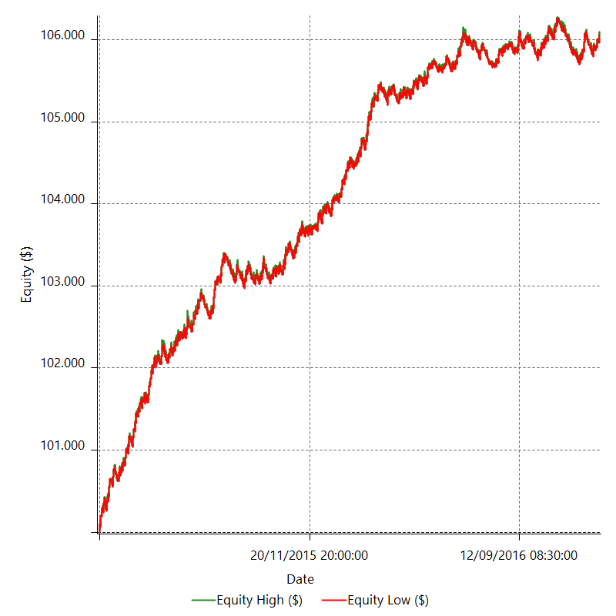

Equity Curve Detailed with DrawDown

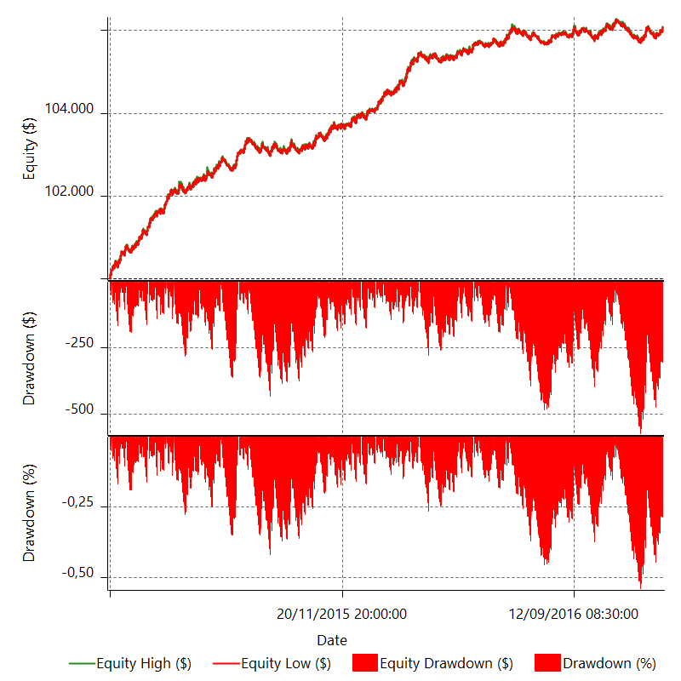

Equity Curve Detailed Long

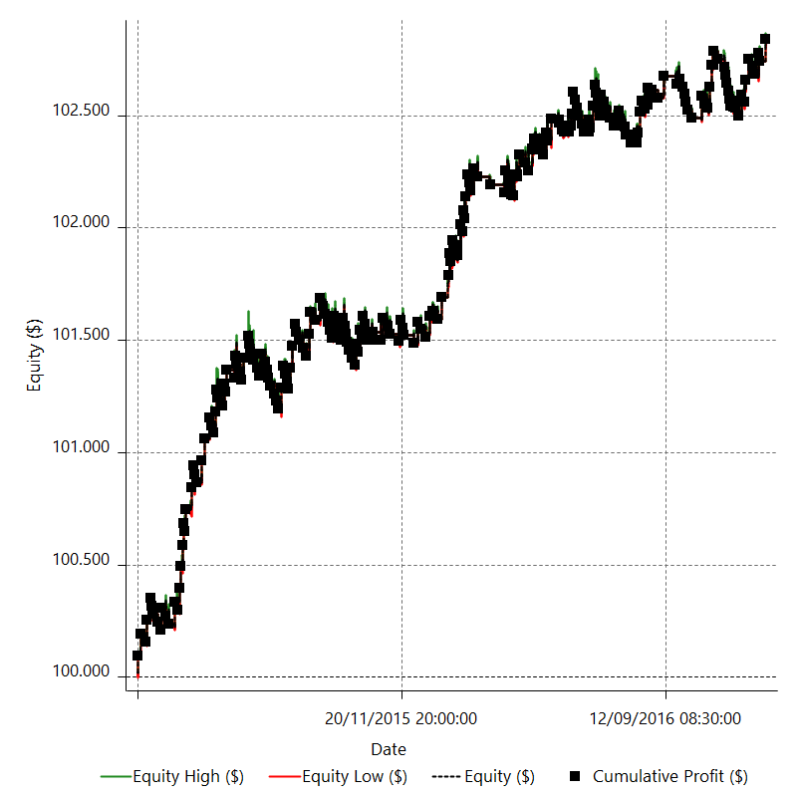

Equity Curve Detailed Short

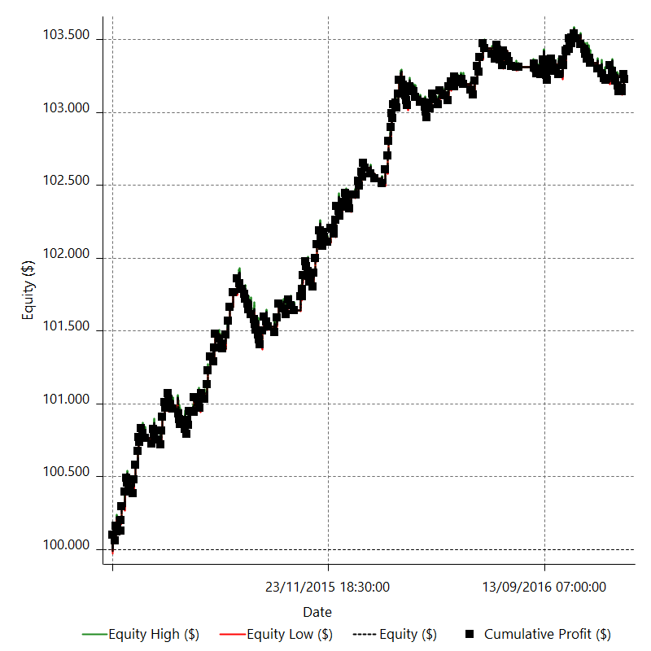

Equity Run-up & Drawdown

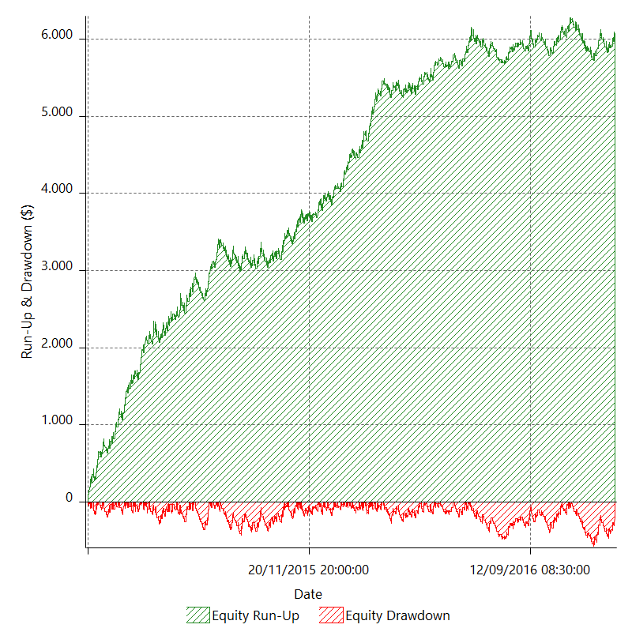

Equity Run-up & Drawdown (%)

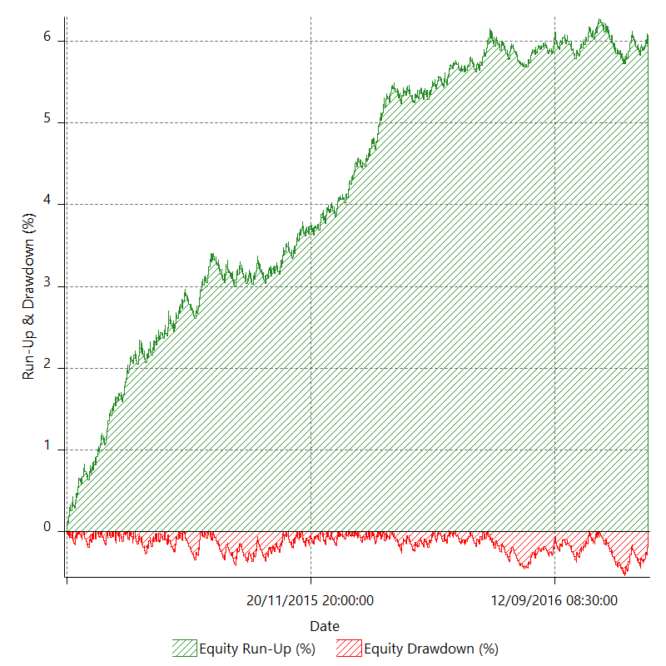

Equity Curve Close To Close

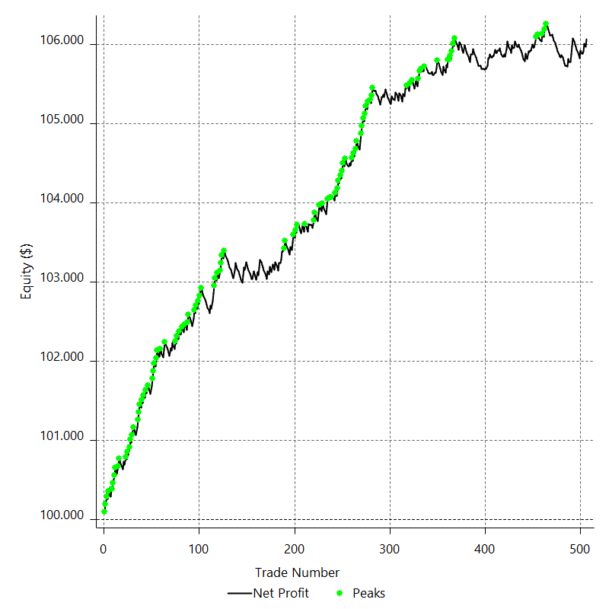

Equity Curve Close To Close With Drawdown

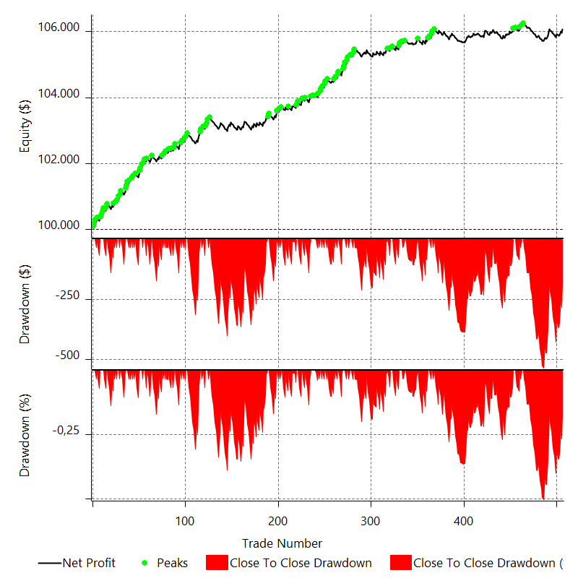

Buy & Hold Return

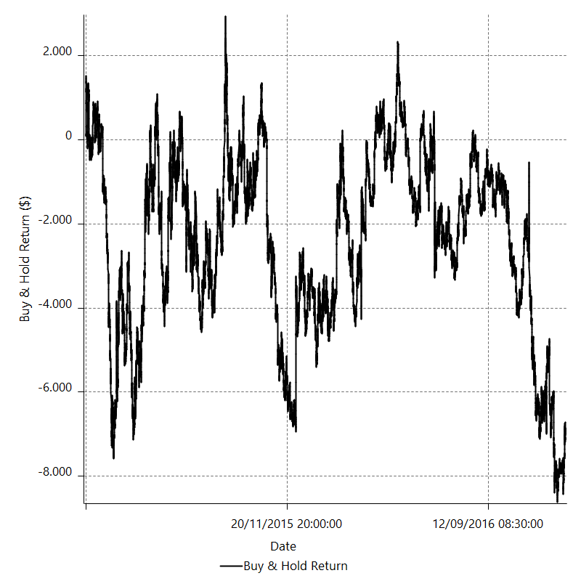

Value Added Monthly Index

Trade Analysis
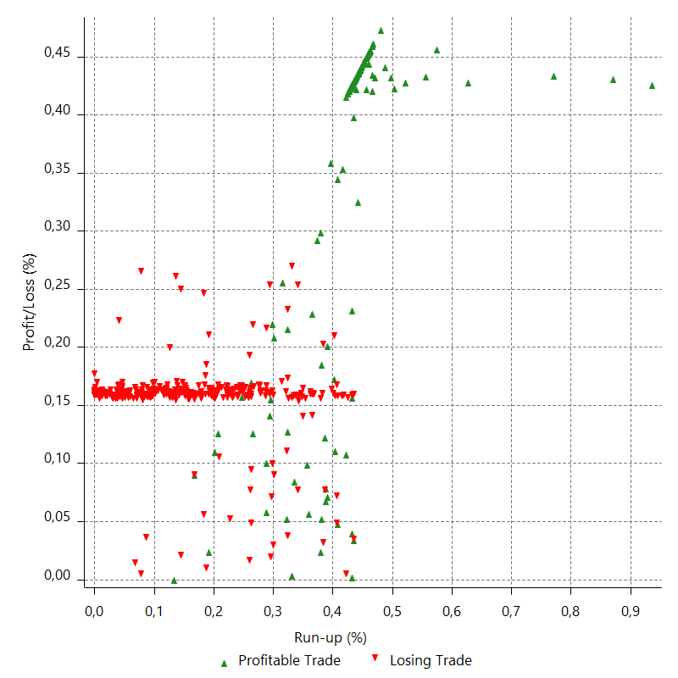
Total Trade Analysis

 | All Trades | Long Trades | Short Trades
Total # of Trades | 506 | 249 | 257
Total # of Open Trades | 0 | 0 | 0
Number Winning Trades | 193 | 93 | 100
Number Losing Trades | 313 | 156 | 157
% Profitable | 38.14229249 | 37.34939759 | 38.910505837
Avg Trade (win & loss) | 11.988458498 | 11.407349398 | 12.551478599
Average Winning Trade | 79.968082902 | 80.34844086 | 79.61435
Average Losing Trade | -29.928690096 | -29.692147436 | -30.163726115
Ratio Avg Win / Avg Loss | 2.6719539895 | 2.7060501782 | 2.6394070049
Largest Winning Trade | 96.755 | 96.755 | 96.755
Largest Losing Trade | -38.2 | -38.2 | -35
Avg # Bars in Trades | 11.9 | 12 | 11.8
Avg # Bars in Winning Trades | 14.9 | 15.4 | 14.5
Avg # Bars in Losing Trades | 10 | 9.9 | 10.1
Avg # Bars Between Trades | n/a | n/a | n/a
Avg # Bars Between Winning Trades | 108.8 | 241.5 | 224.4
Avg # Bars Between Losing Trades | 66.3 | 143.2 | 142.1

Outliers

 | Total | Positive | Negative
1 Std. Deviation of Avg. Trade | 57.655075077 | 31.69127869 | 11.873878734
Avg. Trade +1 Std. Deviation | 69.643533575 | 111.65936159 | -18.054811362
Avg. Trade - 1 Std. Deviation | -45.666616579 | 48.276804212 | -41.80256883
Number of Outliers | 0 | 0 | 0
Outlier Profit/Loss

Run-up/Drawdown

 | Run-up | Drawdown
Max Value | 210.9 | -125.5
Max Value Date | 2015-06-04 | 2015-04-07
Avg Value | 53.436007905 | -22.548339921
Max Value (%) | 0.93544581156 | -0.57413422389
Max Value (%) Date | 2015-06-04 | 2015-04-07
Avg Value (%) | 0.27088158818 | -0.11101491055
1 Std. Deviation | 38.817239715 | 15.093074886
Avg. Trade +1 Std. Deviation | 92.25324762 | -7.4552650349
Avg. Trade - 1 Std. Deviation | 14.61876819 | -37.641414807

Trade Series Analysis

Z-score | 1.2948596379
Confidence Limits | 0.8046313529
Strategy ME | 11.988458498
Max Consec. Winners | 5
Max Consec. Losers | 12
Largest Consec. Profit | 386
Largest Consec. Loss | -350
Largest Consec. Profit (%) | 0.38195176958
Largest Consec. Loss (%) | -0.33851375439

Trade Series Statistics

Consecutive Winners | Number of Series | Avg. Gain per Series | Avg. Loss Next Trade
1 | 84 | 80.656785714 | -29.443988095
2 | 29 | 88.651206897 | -30.422758621
3 | 6 | 60.070277778 | -29.230833333
4 | 7 | 73.937678571 | -30.155
5 | 1 | 73.076 | -35
Consecutive Losers | Number of Series | Avg. Loss per Series | Avg. Gain Next Trade
1 | 63 | -26.970714286 | 74.487142857
2 | 20 | -30.876125 | 81.08275
3 | 14 | -31.2875 | 91.281071429
4 | 11 | -29.259772727 | 86.048181818
5 | 5 | -33.6142 | 78.695
6 | 4 | -31.28125 | 96.5
7 | 5 | -29.683142857 | 81.634
9 | 2 | -33.203055556 | 62.6275
10 | 1 | -35 | 96.5
12 | 1 | -21.192083333 | 0.445

Total Trades

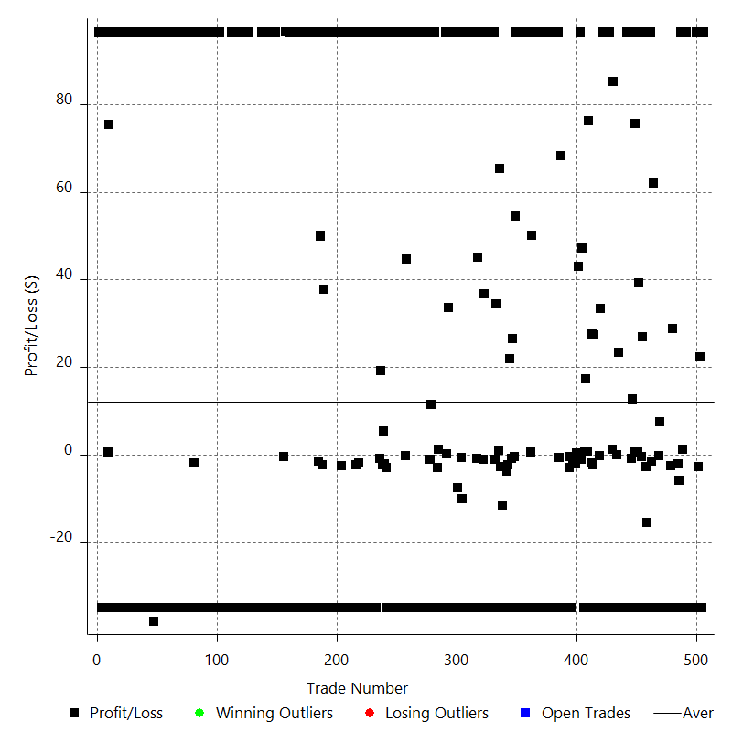

Winning Trades

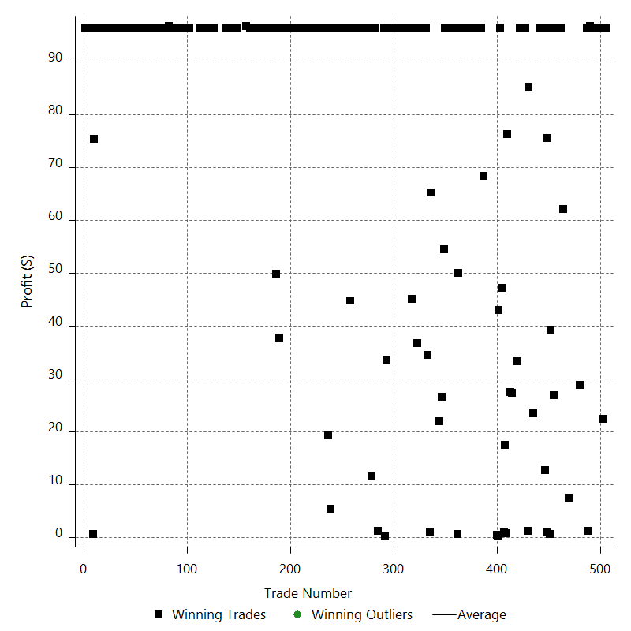

Losing Trades

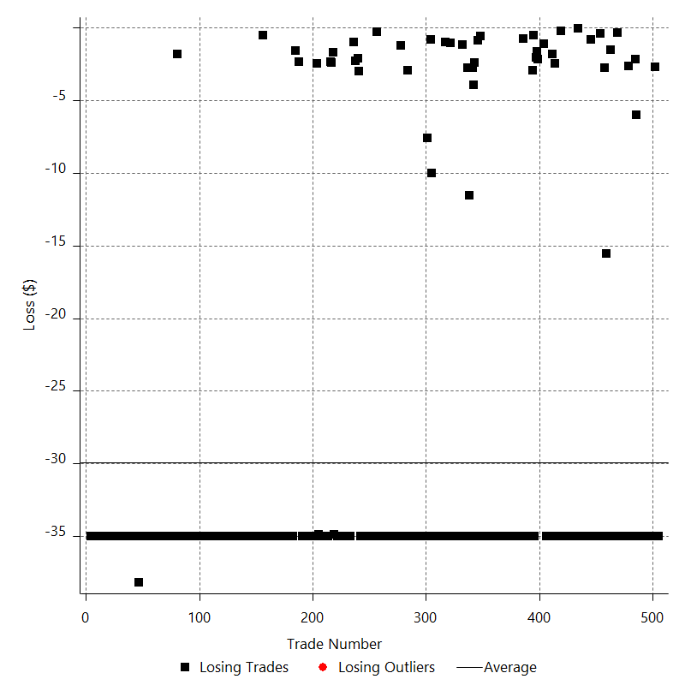

Drawdown

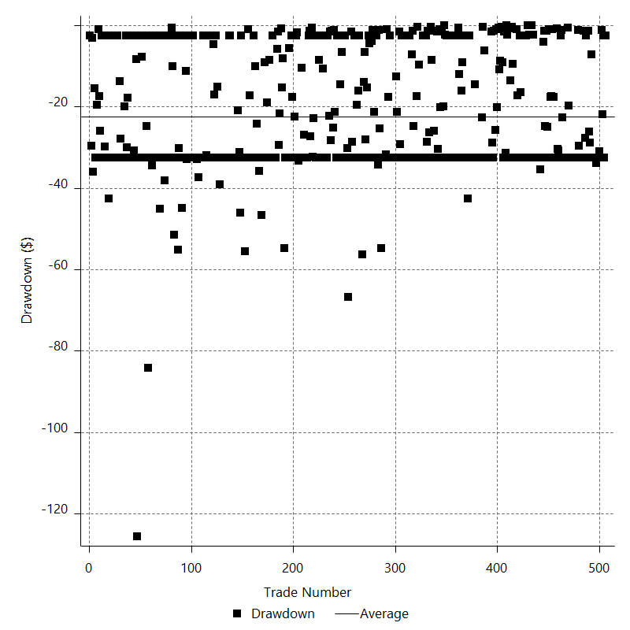

Drawdown P/L

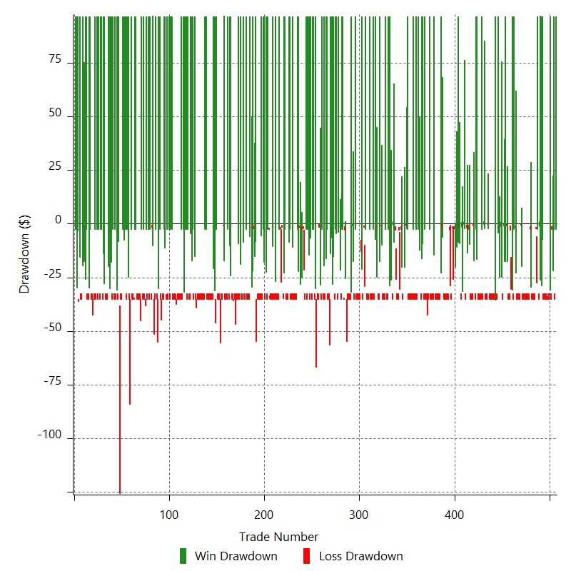

Maximum Adverse Excursion

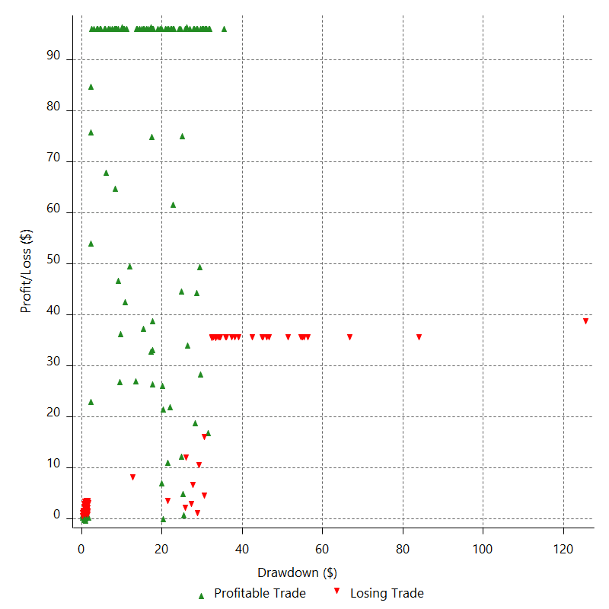

Maximum Adverse Excursion (%)

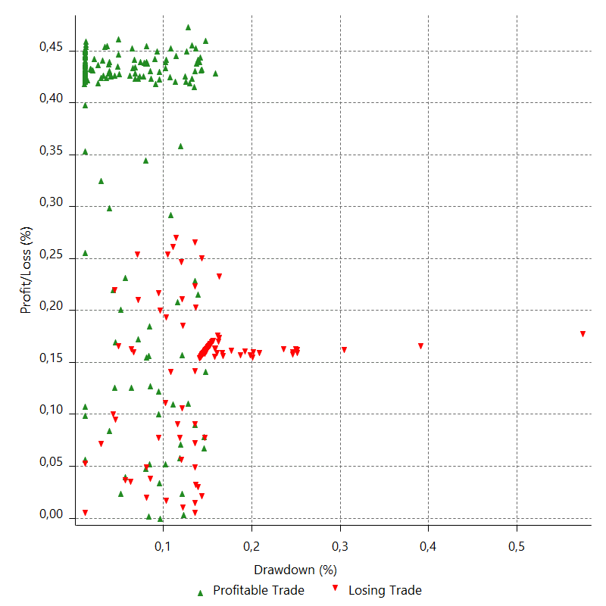

Run-up

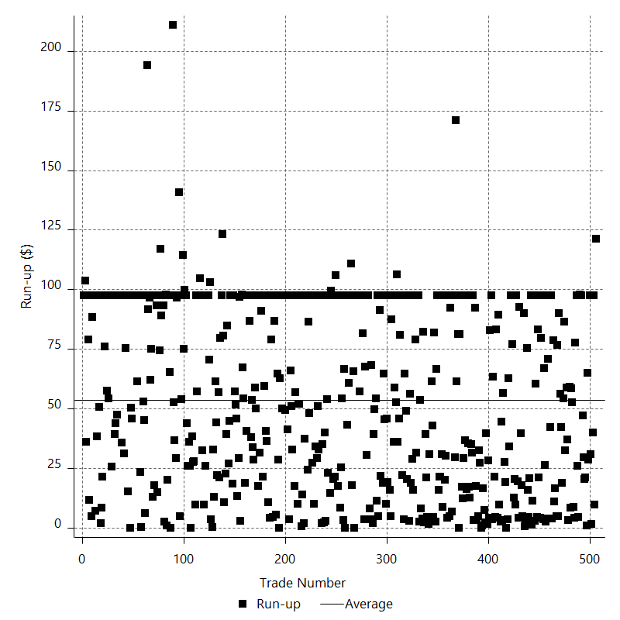

Run-up P/L

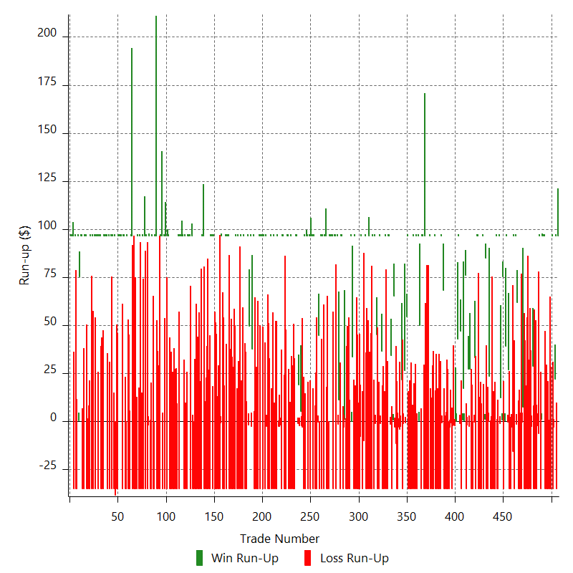

Maximum Favorable Excursion

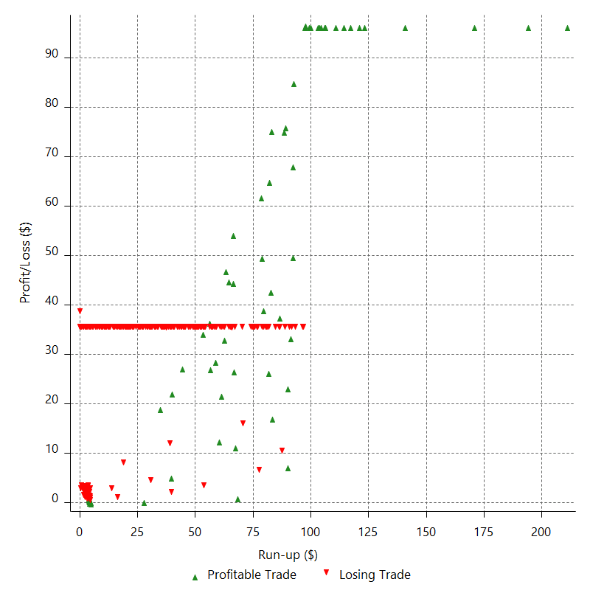

Maximum Favorable Excursion (%)

Periodical Analysis
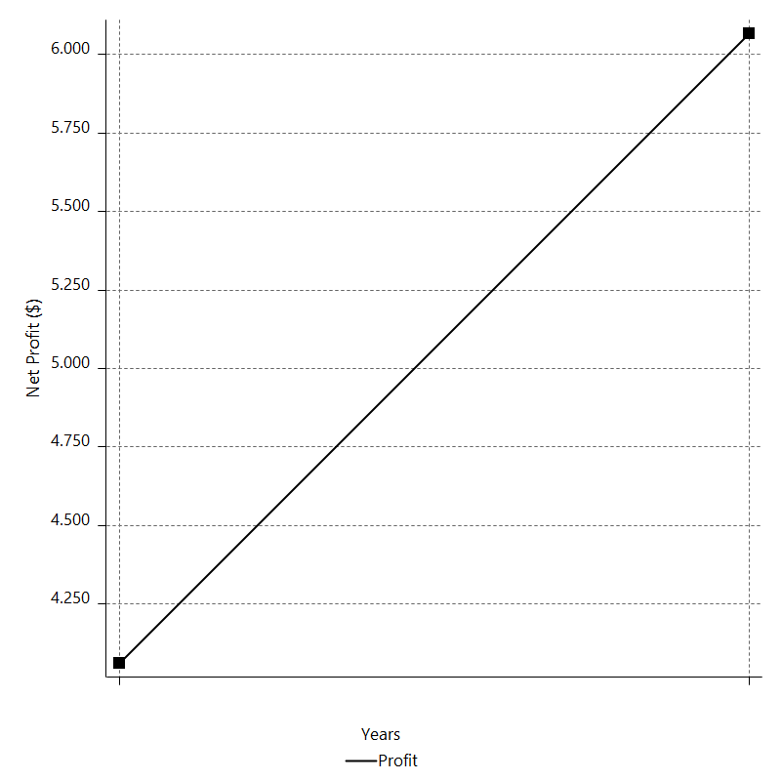
Daily Period Analysis

Period | Profit ($) | Profit (%) | Gross Profit | Gross Loss | # Trades | % Profitable
2016-12-30 | 96.5 | 0.091063800714 | 96.5 | 0 | 1 | 100
2016-12-29 | -35 | -0.033017416404 | 0 | -35 | 1 | 0
2016-12-28 | 96.5 | 0.091116680717 | 96.5 | 0 | 1 | 100
2016-12-27 | 18.4 | 0.017376562191 | 18.4 | 0 | 1 | 100
2016-12-26 | 1.19 | 0.0011238229018 | 3.895 | -2.705 | 2 | 50
2016-12-23 | -35 | -0.033042692953 | 0 | -35 | 1 | 0
2016-12-22 | 96.5 | 0.09118649888 | 96.5 | 0 | 1 | 100
2016-12-21 | -35 | -0.033061888928 | 0 | -35 | 1 | 0
2016-12-20 | -35 | -0.033050961656 | 0 | -35 | 1 | 0
2016-12-19 | -35 | -0.033040041604 | 0 | -35 | 1 | 0
2016-12-16 | -35 | -0.033029128766 | 0 | -35 | 1 | 0
2016-12-15 | -35 | -0.033018223135 | 0 | -35 | 1 | 0
2016-12-14 | -35 | -0.033007324703 | 0 | -35 | 1 | 0
2016-12-13 | -35 | -0.032996433463 | 0 | -35 | 1 | 0
2016-12-12 | 96.5 | 0.091058722307 | 96.5 | 0 | 1 | 100
2016-12-09 | 96.5 | 0.091141714788 | 96.5 | 0 | 1 | 100
2016-12-08 | 40.61 | 0.038369794874 | 40.61 | 0 | 1 | 100
2016-12-07 | 57.35 | 0.054215729065 | 57.35 | 0 | 2 | 100
2016-12-06 | -35 | -0.033076248976 | 0 | -35 | 1 | 0
2016-12-05 | 96.5 | 0.09127918652 | 96.5 | 0 | 1 | 100
2016-12-02 | -8.15 | -0.0077084769412 | 0 | -8.15 | 2 | 0
2016-12-01 | -35 | -0.033092933656 | 0 | -35 | 1 | 0
2016-11-30 | -35 | -0.033081985857 | 0 | -35 | 1 | 0
2016-11-29 | -35 | -0.033071045298 | 0 | -35 | 1 | 0
2016-11-28 | -35 | -0.033060111974 | 0 | -35 | 1 | 0
2016-11-25 | 31.32 | 0.02959283211 | 31.32 | 0 | 1 | 100
2016-11-24 | -5.22 | -0.004931895437 | 0 | -5.22 | 2 | 0
2016-11-23 | -35 | -0.033057332938 | 0 | -35 | 1 | 0
2016-11-22 | -35 | -0.033046408677 | 0 | -35 | 1 | 0
2016-11-21 | -35 | -0.033035491633 | 0 | -35 | 1 | 0
2016-11-18 | -35 | -0.0330245818 | 0 | -35 | 1 | 0
2016-11-17 | -35 | -0.033013679171 | 0 | -35 | 1 | 0
2016-11-16 | -35 | -0.033002783738 | 0 | -35 | 1 | 0
2016-11-15 | -35 | -0.032991895494 | 0 | -35 | 1 | 0
2016-11-14 | -35 | -0.032981014432 | 0 | -35 | 1 | 0
2016-11-11 | -43.35 | -0.040832662287 | 0 | -43.35 | 1 | 0
2016-11-10 | 50.47 | 0.047561813866 | 50.825 | -0.355 | 2 | 50
2016-11-09 | -35 | -0.032972352023 | 0 | -35 | 1 | 0
2016-11-08 | -35 | -0.032961483847 | 0 | -35 | 1 | 0
2016-11-07 | -35 | -0.032950622833 | 0 | -35 | 1 | 0
2016-11-04 | -35 | -0.032939768974 | 0 | -35 | 1 | 0
2016-11-03 | 39.3 | 0.037000340064 | 39.3 | 0 | 1 | 100
2016-11-02 | 21.17 | 0.019935199772 | 22.705 | -1.535 | 2 | 50
2016-11-01 | 96.5 | 0.090954015252 | 96.5 | 0 | 1 | 100
2016-10-31 | -35 | -0.032977624117 | 0 | -35 | 1 | 0
2016-10-28 | 96.5 | 0.091006767791 | 96.5 | 0 | 1 | 100
2016-10-27 | -11.62 | -0.010957334384 | 0 | -11.62 | 1 | 0
2016-10-26 | -6.64 | -0.0062609419153 | 0 | -6.64 | 2 | 0
2016-10-25 | -35 | -0.032991065171 | 0 | -35 | 1 | 0
2016-10-24 | -35 | -0.032980184657 | 0 | -35 | 1 | 0
2016-10-21 | 26.47 | 0.024948665317 | 26.855 | -0.385 | 2 | 50
2016-10-20 | 96.5 | 0.091036567833 | 96.5 | 0 | 1 | 100
2016-10-19 | -25.3 | -0.02386192303 | 0 | -25.3 | 1 | 0
2016-10-18 | 65.1 | 0.061437374082 | 65.1 | 0 | 2 | 100
2016-10-17 | -35 | -0.033019939515 | 0 | -35 | 1 | 0
2016-10-14 | 76.3 | 0.072035321666 | 76.3 | 0 | 2 | 100
2016-10-13 | -34.61 | -0.03266485061 | 0 | -34.61 | 1 | 0
2016-10-12 | 46.39 | 0.043801969398 | 47.215 | -0.825 | 2 | 50
2016-10-11 | 96.5 | 0.091199503119 | 96.5 | 0 | 1 | 100
2016-10-10 | -35 | -0.033066602373 | 0 | -35 | 1 | 0
2016-10-07 | -35 | -0.033055671985 | 0 | -35 | 1 | 0
2016-10-06 | 96.5 | 0.09122234923 | 96.5 | 0 | 1 | 100
2016-10-05 | -35 | -0.033074883047 | 0 | -35 | 1 | 0
2016-10-04 | -35 | -0.033063947185 | 0 | -35 | 1 | 0
2016-10-03 | -35 | -0.033053018553 | 0 | -35 | 1 | 0
2016-09-30 | -35 | -0.033042097142 | 0 | -35 | 1 | 0
2016-09-29 | -35 | -0.033031182947 | 0 | -35 | 1 | 0
2016-09-28 | -35 | -0.033020275959 | 0 | -35 | 1 | 0
2016-09-27 | -17.7 | -0.016696037229 | 0 | -17.7 | 1 | 0
2016-09-26 | 41.11 | 0.038793240521 | 41.135 | -0.025 | 2 | 50
2016-09-23 | -35 | -0.033016665775 | 0 | -35 | 1 | 0
2016-09-22 | -35 | -0.033005768371 | 0 | -35 | 1 | 0
2016-09-21 | 3.01 | 0.0028385766528 | 3.01 | 0 | 1 | 100
2016-09-20 | 83.31 | 0.078627162754 | 83.31 | 0 | 2 | 100
2016-09-19 | -35 | -0.033021749539 | 0 | -35 | 1 | 0
2016-09-16 | 96.5 | 0.091128649573 | 96.5 | 0 | 1 | 100
2016-09-15 | -35 | -0.033040921181 | 0 | -35 | 1 | 0
2016-09-14 | -35 | -0.033030007762 | 0 | -35 | 1 | 0
2016-09-13 | -35 | -0.03301910155 | 0 | -35 | 1 | 0
2016-09-12 | -35 | -0.033008202538 | 0 | -35 | 1 | 0
2016-09-09 | 96.5 | 0.091091230463 | 96.5 | 0 | 1 | 100
2016-09-08 | 96.5 | 0.091174282239 | 96.5 | 0 | 1 | 100
2016-09-07 | -35 | -0.033057460951 | 0 | -35 | 1 | 0
2016-09-06 | -13.9 | -0.013126811134 | 0 | -13.9 | 1 | 0
2016-09-05 | 47.02 | 0.044424234242 | 47.215 | -0.195 | 2 | 50
2016-09-02 | -35 | -0.033056873974 | 0 | -35 | 1 | 0
2016-09-01 | -35 | -0.033045950016 | 0 | -35 | 1 | 0
2016-08-31 | -35 | -0.033035033275 | 0 | -35 | 1 | 0
2016-08-30 | 24.48 | 0.023110986073 | 24.48 | 0 | 1 | 100
2016-08-29 | 0.33 | 0.00031154612601 | 2.755 | -2.425 | 2 | 50
2016-08-26 | 11.56 | 0.010914746389 | 11.56 | 0 | 1 | 100
2016-08-25 | 14.06 | 0.013276964467 | 15.865 | -1.805 | 2 | 50
2016-08-24 | -35 | -0.033039845109 | 0 | -35 | 1 | 0
2016-08-23 | 15.36 | 0.014501874764 | 15.36 | 0 | 1 | 100
2016-08-22 | 61.56 | 0.058154594865 | 61.56 | 0 | 2 | 100
2016-08-19 | -39.55 | -0.037348200341 | 0 | -39.55 | 1 | 0
2016-08-18 | 57.69 | 0.05450801813 | 57.69 | 0 | 2 | 100
2016-08-17 | -35 | -0.03305858813 | 0 | -35 | 1 | 0
2016-08-16 | 21.44 | 0.020254848315 | 21.44 | 0 | 1 | 100
2016-08-15 | 24.66 | 0.023302283151 | 25.745 | -1.085 | 2 | 50
2016-08-12 | 96.5 | 0.09127018206 | 96.5 | 0 | 1 | 100
2016-08-11 | -15.61 | -0.014761836539 | 0 | -15.61 | 1 | 0
2016-08-10 | 58.9 | 0.055730732566 | 58.9 | 0 | 2 | 100
2016-08-09 | -2.12 | -0.0020058876587 | 0 | -2.12 | 1 | 0
2016-08-08 | 0.38 | 0.00035954719383 | 2.565 | -2.185 | 2 | 50
2016-08-05 | -13.9 | -0.013150128394 | 0 | -13.9 | 1 | 0
2016-08-04 | 10.22 | 0.009669590472 | 12.255 | -2.035 | 2 | 50
2016-08-03 | -35 | -0.033104073437 | 0 | -35 | 1 | 0
2016-08-02 | 18.78 | 0.017765855671 | 18.78 | 0 | 1 | 100
2016-08-01 | -22.22 | -0.021015673701 | 0 | -22.22 | 2 | 0
2016-07-29 | -35 | -0.033092041922 | 0 | -35 | 1 | 0
2016-07-28 | -35 | -0.033081094712 | 0 | -35 | 1 | 0
2016-07-27 | -35 | -0.033070154743 | 0 | -35 | 1 | 0
2016-07-26 | -35 | -0.033059222007 | 0 | -35 | 1 | 0
2016-07-25 | -35 | -0.033048296497 | 0 | -35 | 1 | 0
2016-07-22 | -35 | -0.033037378207 | 0 | -35 | 1 | 0
2016-07-21 | 39.87 | 0.037648462135 | 39.87 | 0 | 1 | 100
2016-07-20 | 27.65 | 0.026116173619 | 28.405 | -0.755 | 2 | 50
2016-07-19 | 96.5 | 0.091230016018 | 96.5 | 0 | 1 | 100
2016-07-18 | -35 | -0.033077661908 | 0 | -35 | 1 | 0
2016-07-15 | -35 | -0.033066724209 | 0 | -35 | 1 | 0
2016-07-14 | -35 | -0.033055793741 | 0 | -35 | 1 | 0
2016-07-13 | -35 | -0.033044870497 | 0 | -35 | 1 | 0
2016-07-12 | -35 | -0.033033954469 | 0 | -35 | 1 | 0
2016-07-11 | -35 | -0.033023045651 | 0 | -35 | 1 | 0
2016-07-08 | 96.5 | 0.091132229654 | 96.5 | 0 | 1 | 100
2016-07-07 | -35 | -0.033042218798 | 0 | -35 | 1 | 0
2016-07-06 | -35 | -0.033031304522 | 0 | -35 | 1 | 0
2016-07-05 | -35 | -0.033020397454 | 0 | -35 | 1 | 0
2016-07-04 | -35 | -0.033009497587 | 0 | -35 | 1 | 0
2016-07-01 | 96.5 | 0.091094807605 | 96.5 | 0 | 1 | 100
2016-06-30 | -35 | -0.033028655001 | 0 | -35 | 1 | 0
2016-06-29 | -35 | -0.033017749682 | 0 | -35 | 1 | 0
2016-06-28 | -35 | -0.033006851562 | 0 | -35 | 1 | 0
2016-06-27 | -35 | -0.032995960634 | 0 | -35 | 1 | 0
2016-06-24 | 96.5 | 0.091057416277 | 96.5 | 0 | 1 | 100
2016-06-23 | -35 | -0.033015102334 | 0 | -35 | 1 | 0
2016-06-22 | 96.5 | 0.091110288863 | 96.5 | 0 | 1 | 100
2016-06-21 | 96.5 | 0.091193375411 | 96.5 | 0 | 1 | 100
2016-06-20 | -35 | -0.033064381357 | 0 | -35 | 1 | 0
2016-06-17 | 50.51 | 0.047739405415 | 50.51 | 0 | 2 | 100
2016-06-16 | 96.5 | 0.091290006308 | 96.5 | 0 | 1 | 100
2016-06-15 | -35 | -0.033099405648 | 0 | -35 | 1 | 0
2016-06-14 | 96.5 | 0.091343149425 | 96.5 | 0 | 1 | 100
2016-06-13 | -35 | -0.033118667592 | 0 | -35 | 1 | 0
2016-06-10 | -35 | -0.033107702762 | 0 | -35 | 1 | 0
2016-06-09 | 96.5 | 0.09136606757 | 96.5 | 0 | 1 | 100
2016-06-08 | -35 | -0.033126974368 | 0 | -35 | 1 | 0
2016-06-07 | -35 | -0.033116004038 | 0 | -35 | 1 | 0
2016-06-06 | -35 | -0.033105040971 | 0 | -35 | 1 | 0
2016-06-03 | -35 | -0.03309408516 | 0 | -35 | 1 | 0
2016-06-02 | -35 | -0.033083136599 | 0 | -35 | 1 | 0
2016-06-01 | 96.5 | 0.091298211369 | 96.5 | 0 | 1 | 100
2016-05-31 | 20.11 | 0.01902960016 | 20.11 | 0 | 1 | 100
2016-05-30 | 33.74 | 0.031937531929 | 34.295 | -0.555 | 2 | 50
2016-05-27 | -11.05 | -0.010458589758 | 0 | -11.05 | 1 | 0
2016-05-26 | 36.69 | 0.034738367263 | 37.525 | -0.835 | 2 | 50
2016-05-25 | -35 | -0.033127284777 | 0 | -35 | 1 | 0
2016-05-24 | 15.93 | 0.01507992074 | 15.93 | 0 | 1 | 100
2016-05-23 | 3.58 | 0.0033890738154 | 5.985 | -2.405 | 2 | 50
2016-05-20 | -6.7 | -0.0063422777751 | 0 | -6.7 | 2 | 0
2016-05-19 | -35 | -0.033120328614 | 0 | -35 | 1 | 0
2016-05-18 | -35 | -0.033109362684 | 0 | -35 | 1 | 0
2016-05-17 | -7.25 | -0.0068578976448 | 0 | -7.25 | 1 | 0
2016-05-16 | -7.04 | -0.0066588116651 | 0 | -7.04 | 2 | 0
2016-05-13 | -4.59 | -0.0043412810619 | 0 | -4.59 | 1 | 0
2016-05-12 | 70.81 | 0.067017893049 | 70.81 | 0 | 2 | 100
2016-05-11 | -35 | -0.033114666154 | 0 | -35 | 1 | 0
2016-05-10 | 1.49 | 0.0014097585188 | 1.49 | 0 | 1 | 100
2016-05-09 | 31.79 | 0.030087051807 | 32.965 | -1.175 | 2 | 50
2016-05-06 | 96.5 | 0.091414111895 | 96.5 | 0 | 1 | 100
2016-05-05 | 96.5 | 0.091497753754 | 96.5 | 0 | 1 | 100
2016-05-04 | -35 | -0.033174704534 | 0 | -35 | 1 | 0
2016-05-03 | -35 | -0.033163702574 | 0 | -35 | 1 | 0
2016-05-02 | 96.5 | 0.091520749556 | 96.5 | 0 | 1 | 100
2016-04-29 | -35 | -0.033183039447 | 0 | -35 | 1 | 0
2016-04-28 | -35 | -0.033172031959 | 0 | -35 | 1 | 0
2016-04-27 | -35 | -0.03316103177 | 0 | -35 | 1 | 0
2016-04-26 | 5.48 | 0.0051923397071 | 5.48 | 0 | 1 | 100
2016-04-25 | 30.22 | 0.028641870187 | 31.255 | -1.035 | 2 | 50
2016-04-22 | 96.5 | 0.091544364818 | 96.5 | 0 | 1 | 100
2016-04-21 | -35 | -0.033191598884 | 0 | -35 | 1 | 0
2016-04-20 | -35 | -0.033180585717 | 0 | -35 | 1 | 0
2016-04-19 | 17.83 | 0.016905996025 | 17.83 | 0 | 1 | 100
2016-04-18 | 26.27 | 0.024914815894 | 27.265 | -0.995 | 2 | 50
2016-04-15 | 96.5 | 0.091605717222 | 96.5 | 0 | 1 | 100
2016-04-14 | -35 | -0.033213836277 | 0 | -35 | 1 | 0
2016-04-13 | 96.5 | 0.091659228655 | 96.5 | 0 | 1 | 100
2016-04-12 | -35 | -0.033233231674 | 0 | -35 | 1 | 0
2016-04-11 | -35 | -0.033222190867 | 0 | -35 | 1 | 0
2016-04-08 | -35 | -0.033211157393 | 0 | -35 | 1 | 0
2016-04-07 | 96.5 | 0.091651829043 | 96.5 | 0 | 1 | 100
2016-04-06 | -35 | -0.033230549661 | 0 | -35 | 1 | 0
2016-04-05 | -35 | -0.033219510635 | 0 | -35 | 1 | 0
2016-04-04 | -35 | -0.033208478941 | 0 | -35 | 1 | 0
2016-04-01 | 96.5 | 0.091644430625 | 96.5 | 0 | 1 | 100
2016-03-31 | -43.54 | -0.041332116849 | 0 | -43.54 | 1 | 0
2016-03-30 | 32.75 | 0.031098938686 | 33.535 | -0.785 | 2 | 50
2016-03-29 | -35 | -0.033224464673 | 0 | -35 | 1 | 0
2016-03-28 | 96.5 | 0.091688586415 | 96.5 | 0 | 1 | 100
2016-03-25 | -7.6 | -0.0072205486173 | 0 | -7.6 | 1 | 0
2016-03-24 | -35 | -0.033241472897 | 0 | -35 | 1 | 0
2016-03-23 | -35 | -0.033230426614 | 0 | -35 | 1 | 0
2016-03-22 | -35 | -0.03321938767 | 0 | -35 | 1 | 0
2016-03-21 | -35 | -0.033208356057 | 0 | -35 | 1 | 0
2016-03-18 | -35 | -0.033197331769 | 0 | -35 | 1 | 0
2016-03-17 | 96.5 | 0.091613639932 | 96.5 | 0 | 1 | 100
2016-03-16 | -35 | -0.03321670789 | 0 | -35 | 1 | 0
2016-03-15 | -10.48 | -0.0099450422541 | 0 | -10.48 | 1 | 0
2016-03-14 | 44.03 | 0.041799927868 | 44.03 | 0 | 2 | 100
2016-03-11 | 96.5 | 0.091696384055 | 96.5 | 0 | 1 | 100
2016-03-10 | -35 | -0.033246698769 | 0 | -35 | 1 | 0
2016-03-09 | -35 | -0.033235649013 | 0 | -35 | 1 | 0
2016-03-08 | -35 | -0.033224606599 | 0 | -35 | 1 | 0
2016-03-07 | -35 | -0.033213571521 | 0 | -35 | 1 | 0
2016-03-04 | -35 | -0.03320254377 | 0 | -35 | 1 | 0
2016-03-03 | 14.79 | 0.014032415164 | 14.79 | 0 | 1 | 100
2016-03-02 | -16.49 | -0.015642889064 | 0 | -16.49 | 2 | 0
2016-03-01 | -35 | -0.033190988248 | 0 | -35 | 1 | 0
2016-02-29 | 96.5 | 0.091596117881 | 96.5 | 0 | 1 | 100
2016-02-26 | 96.5 | 0.091680093288 | 96.5 | 0 | 1 | 100
2016-02-25 | -35 | -0.033240794128 | 0 | -35 | 1 | 0
2016-02-24 | -0.22 | -0.00020894169795 | 0 | -0.22 | 1 | 0
2016-02-23 | 10.49 | 0.0099637127092 | 11.685 | -1.195 | 2 | 50
2016-02-22 | 96.5 | 0.091742648277 | 96.5 | 0 | 1 | 100
2016-02-19 | -35 | -0.03326346738 | 0 | -35 | 1 | 0
2016-02-18 | 96.5 | 0.091796319852 | 96.5 | 0 | 1 | 100
2016-02-17 | 96.5 | 0.091880662919 | 96.5 | 0 | 1 | 100
2016-02-16 | -35 | -0.033313491183 | 0 | -35 | 1 | 0
2016-02-15 | 96.5 | 0.091934496148 | 96.5 | 0 | 1 | 100
2016-02-12 | 96.5 | 0.092019093437 | 96.5 | 0 | 1 | 100
2016-02-11 | 96.5 | 0.092103846562 | 96.5 | 0 | 1 | 100
2016-02-10 | 96.5 | 0.092188755952 | 96.5 | 0 | 1 | 100
2016-02-09 | -35 | -0.033425160207 | 0 | -35 | 1 | 0
2016-02-08 | -35 | -0.033413991527 | 0 | -35 | 1 | 0
2016-02-05 | -35 | -0.033402830308 | 0 | -35 | 1 | 0
2016-02-04 | 96.5 | 0.0921812706 | 96.5 | 0 | 1 | 100
2016-02-03 | 96.5 | 0.092266322869 | 96.5 | 0 | 1 | 100
2016-02-02 | -35 | -0.033453274473 | 0 | -35 | 1 | 0
2016-02-01 | 96.5 | 0.092320609098 | 96.5 | 0 | 1 | 100
2016-01-29 | -35 | -0.033472950604 | 0 | -35 | 1 | 0
2016-01-28 | 96.5 | 0.092374959245 | 96.5 | 0 | 1 | 100
2016-01-27 | -35 | -0.033492649894 | 0 | -35 | 1 | 0
2016-01-26 | -1.36 | -0.0013014117447 | 0 | -1.36 | 1 | 0
2016-01-25 | 45.78 | 0.043827015593 | 46.075 | -0.295 | 2 | 50
2016-01-22 | -35 | -0.033495669297 | 0 | -35 | 1 | 0
2016-01-21 | -35 | -0.033484453455 | 0 | -35 | 1 | 0
2016-01-20 | -35 | -0.033473245122 | 0 | -35 | 1 | 0
2016-01-19 | 96.5 | 0.092375772774 | 96.5 | 0 | 1 | 100
2016-01-18 | -35 | -0.033492944759 | 0 | -35 | 1 | 0
2016-01-15 | 96.5 | 0.09243018791 | 96.5 | 0 | 1 | 100
2016-01-14 | 96.5 | 0.092515700346 | 96.5 | 0 | 1 | 100
2016-01-13 | -35 | -0.033543661676 | 0 | -35 | 1 | 0
2016-01-12 | 96.5 | 0.092570280508 | 96.5 | 0 | 1 | 100
2016-01-11 | -35 | -0.033563444308 | 0 | -35 | 1 | 0
2016-01-08 | 96.5 | 0.092624925108 | 96.5 | 0 | 1 | 100
2016-01-07 | 96.5 | 0.092710798416 | 96.5 | 0 | 1 | 100
2016-01-06 | -35 | -0.03361437512 | 0 | -35 | 1 | 0
2016-01-05 | 96.5 | 0.092765609087 | 96.5 | 0 | 1 | 100
2016-01-04 | -35 | -0.033634241272 | 0 | -35 | 1 | 0
2015-12-31 | -11.05 | -0.010617682987 | 0 | -11.05 | 1 | 0
2015-12-30 | 5.99 | 0.0057559802617 | 8.075 | -2.085 | 2 | 50
2015-12-29 | 13.27 | 0.012753188513 | 13.27 | 0 | 1 | 100
2015-12-28 | -10.17 | -0.0097729654598 | 0 | -10.17 | 2 | 0
2015-12-24 | 18.29 | 0.017579052152 | 19.255 | -0.965 | 2 | 50
2015-12-23 | 96.5 | 0.092835066527 | 96.5 | 0 | 1 | 100
2015-12-22 | 96.5 | 0.092921330106 | 96.5 | 0 | 1 | 100
2015-12-21 | -35 | -0.03369068238 | 0 | -35 | 1 | 0
2015-12-18 | -35 | -0.033679335582 | 0 | -35 | 1 | 0
2015-12-17 | -35 | -0.033667996424 | 0 | -35 | 1 | 0
2015-12-16 | -35 | -0.0336566649 | 0 | -35 | 1 | 0
2015-12-15 | 96.5 | 0.092882424614 | 96.5 | 0 | 1 | 100
2015-12-14 | -35 | -0.033676581084 | 0 | -35 | 1 | 0
2015-12-11 | -35 | -0.033665243781 | 0 | -35 | 1 | 0
2015-12-10 | 96.5 | 0.092906121782 | 96.5 | 0 | 1 | 100
2015-12-09 | 96.5 | 0.092992517523 | 96.5 | 0 | 1 | 100
2015-12-08 | -35 | -0.033716484249 | 0 | -35 | 1 | 0
2015-12-07 | -35 | -0.033705120068 | 0 | -35 | 1 | 0
2015-12-04 | -35 | -0.033693763544 | 0 | -35 | 1 | 0
2015-12-03 | 96.5 | 0.092984901083 | 96.5 | 0 | 1 | 100
2015-12-02 | 96.5 | 0.093071443473 | 96.5 | 0 | 1 | 100
2015-12-01 | -56.08 | -0.054058290221 | 0 | -56.08 | 1 | 0
2015-11-30 | 19.52 | 0.018819836223 | 21.185 | -1.665 | 2 | 50
2015-11-27 | -5.54 | -0.0053410002074 | 0 | -5.54 | 1 | 0
2015-11-26 | 0.79 | 0.00076162857399 | 3.135 | -2.345 | 2 | 50
2015-11-25 | 96.5 | 0.093121010995 | 96.5 | 0 | 1 | 100
2015-11-24 | -35 | -0.033763056656 | 0 | -35 | 1 | 0
2015-11-23 | -35 | -0.033751661064 | 0 | -35 | 1 | 0
2015-11-20 | -35 | -0.033740273161 | 0 | -35 | 1 | 0
2015-11-19 | 96.5 | 0.093113373493 | 96.5 | 0 | 1 | 100
2015-11-18 | -35 | -0.033760288448 | 0 | -35 | 1 | 0
2015-11-17 | -35 | -0.033748894724 | 0 | -35 | 1 | 0
2015-11-16 | 96.5 | 0.093137188666 | 96.5 | 0 | 1 | 100
2015-11-13 | -35 | -0.033768920244 | 0 | -35 | 1 | 0
2015-11-12 | -61.25 | -0.05906070814 | 0 | -61.25 | 2 | 0
2015-11-11 | -11.12 | -0.010721382225 | 0 | -11.12 | 2 | 0
2015-11-10 | 96.5 | 0.093127418478 | 96.5 | 0 | 1 | 100
2015-11-09 | -35 | -0.033765379045 | 0 | -35 | 1 | 0
2015-11-06 | 96.5 | 0.093182723015 | 96.5 | 0 | 1 | 100
2015-11-05 | -35 | -0.033785424138 | 0 | -35 | 1 | 0
2015-11-04 | 96.5 | 0.093238093278 | 96.5 | 0 | 1 | 100
2015-11-03 | 96.5 | 0.093325107829 | 96.5 | 0 | 1 | 100
2015-11-02 | -35 | -0.033837031382 | 0 | -35 | 1 | 0
2015-10-30 | 96.5 | 0.093380647485 | 96.5 | 0 | 1 | 100
2015-10-29 | -35 | -0.033857161665 | 0 | -35 | 1 | 0
2015-10-28 | -35 | -0.033845702471 | 0 | -35 | 1 | 0
2015-10-27 | -35 | -0.033834251031 | 0 | -35 | 1 | 0
2015-10-26 | -35 | -0.033822807337 | 0 | -35 | 1 | 0
2015-10-23 | -35 | -0.033811371382 | 0 | -35 | 1 | 0
2015-10-22 | 96.5 | 0.093309767057 | 96.5 | 0 | 1 | 100
2015-10-21 | 28.09 | 0.027168740608 | 28.09 | 0 | 1 | 100
2015-10-20 | 7.24 | 0.0070030422608 | 9.595 | -2.355 | 2 | 50
2015-10-19 | 96.5 | 0.09342886249 | 96.5 | 0 | 1 | 100
2015-10-16 | 48.26 | 0.046745954625 | 49.845 | -1.585 | 2 | 50
2015-10-15 | 96.5 | 0.093559989599 | 96.5 | 0 | 1 | 100
2015-10-14 | -35 | -0.033922163947 | 0 | -35 | 1 | 0
2015-10-13 | -35 | -0.033910660717 | 0 | -35 | 1 | 0
2015-10-12 | -35 | -0.033899165286 | 0 | -35 | 1 | 0
2015-10-09 | 96.5 | 0.093552279922 | 96.5 | 0 | 1 | 100
2015-10-08 | -35 | -0.033919369588 | 0 | -35 | 1 | 0
2015-10-07 | -35 | -0.033907868253 | 0 | -35 | 1 | 0
2015-10-06 | 96.5 | 0.093576320168 | 96.5 | 0 | 1 | 100
2015-10-05 | -35 | -0.033928082933 | 0 | -35 | 1 | 0
2015-10-02 | -35 | -0.033916575689 | 0 | -35 | 1 | 0
2015-10-01 | 96.5 | 0.093600372772 | 96.5 | 0 | 1 | 100
2015-09-30 | -35 | -0.033936800756 | 0 | -35 | 1 | 0
2015-09-29 | 96.5 | 0.09365624064 | 96.5 | 0 | 1 | 100
2015-09-28 | -35 | -0.033957049959 | 0 | -35 | 1 | 0
2015-09-25 | -35 | -0.033945523061 | 0 | -35 | 1 | 0
2015-09-24 | -35 | -0.033934003986 | 0 | -35 | 1 | 0
2015-09-23 | -35 | -0.033922492726 | 0 | -35 | 1 | 0
2015-09-22 | -35 | -0.033910989273 | 0 | -35 | 1 | 0
2015-09-21 | -35 | -0.033899493619 | 0 | -35 | 1 | 0
2015-09-18 | -35 | -0.033888005757 | 0 | -35 | 1 | 0
2015-09-17 | 96.5 | 0.093521453918 | 96.5 | 0 | 1 | 100
2015-09-16 | 96.5 | 0.093608998415 | 96.5 | 0 | 1 | 100
2015-09-15 | -35 | -0.033939927105 | 0 | -35 | 1 | 0
2015-09-14 | 96.5 | 0.093664876584 | 96.5 | 0 | 1 | 100
2015-09-11 | -35 | -0.033960180039 | 0 | -35 | 1 | 0
2015-09-10 | -35 | -0.033948651016 | 0 | -35 | 1 | 0
2015-09-09 | -35 | -0.033937129819 | 0 | -35 | 1 | 0
2015-09-08 | 60.94 | 0.059124327381 | 60.94 | 0 | 1 | 100
2015-09-07 | 35.3 | 0.034259990038 | 35.815 | -0.515 | 2 | 50
2015-09-04 | -35 | -0.033957293755 | 0 | -35 | 1 | 0
2015-09-03 | -35 | -0.033945766691 | 0 | -35 | 1 | 0
2015-09-02 | -35 | -0.033934247451 | 0 | -35 | 1 | 0
2015-09-01 | -35 | -0.033922736026 | 0 | -35 | 1 | 0
2015-08-31 | -35 | -0.033911232408 | 0 | -35 | 1 | 0
2015-08-28 | -35 | -0.033899736589 | 0 | -35 | 1 | 0
2015-08-27 | 96.5 | 0.093553858035 | 96.5 | 0 | 1 | 100
2015-08-26 | -35 | -0.033919941572 | 0 | -35 | 1 | 0
2015-08-25 | 96.5 | 0.093609670374 | 96.5 | 0 | 1 | 100
2015-08-24 | 96.5 | 0.093697380182 | 96.5 | 0 | 1 | 100
2015-08-21 | -35 | -0.033971960902 | 0 | -35 | 1 | 0
2015-08-20 | -35 | -0.03396042388 | 0 | -35 | 1 | 0
2015-08-19 | -35 | -0.033948894692 | 0 | -35 | 1 | 0
2015-08-18 | -35 | -0.033937373329 | 0 | -35 | 1 | 0
2015-08-17 | -35 | -0.033925859783 | 0 | -35 | 1 | 0
2015-08-14 | -35 | -0.033914354047 | 0 | -35 | 1 | 0
2015-08-13 | -35 | -0.033902856112 | 0 | -35 | 1 | 0
2015-08-12 | 96.5 | 0.093562475107 | 96.5 | 0 | 1 | 100
2015-08-11 | 96.5 | 0.093650096455 | 96.5 | 0 | 1 | 100
2015-08-10 | -35 | -0.033954823011 | 0 | -35 | 1 | 0
2015-08-07 | -35 | -0.033943297624 | 0 | -35 | 1 | 0
2015-08-06 | -35 | -0.033931780059 | 0 | -35 | 1 | 0
2015-08-05 | -35 | -0.033920270308 | 0 | -35 | 1 | 0
2015-08-04 | -35 | -0.033908768362 | 0 | -35 | 1 | 0
2015-08-03 | -35 | -0.033897274214 | 0 | -35 | 1 | 0
2015-07-31 | -35 | -0.033885787855 | 0 | -35 | 1 | 0
2015-07-30 | -35 | -0.033874309279 | 0 | -35 | 1 | 0
2015-07-29 | -35 | -0.033862838476 | 0 | -35 | 1 | 0
2015-07-28 | -35 | -0.033851375439 | 0 | -35 | 1 | 0
2015-07-27 | 96.5 | 0.093420270011 | 96.5 | 0 | 1 | 100
2015-07-24 | -35 | -0.033871522798 | 0 | -35 | 1 | 0
2015-07-23 | 96.5 | 0.093475923024 | 96.5 | 0 | 1 | 100
2015-07-22 | 96.5 | 0.093563382259 | 96.5 | 0 | 1 | 100
2015-07-21 | 96.5 | 0.093651005307 | 96.5 | 0 | 1 | 100
2015-07-20 | -35 | -0.033955152423 | 0 | -35 | 1 | 0
2015-07-17 | -35 | -0.033943626813 | 0 | -35 | 1 | 0
2015-07-16 | 96.5 | 0.093675096325 | 96.5 | 0 | 1 | 100
2015-07-15 | -35 | -0.033963884164 | 0 | -35 | 1 | 0
2015-07-14 | 96.5 | 0.093731053457 | 96.5 | 0 | 1 | 100
2015-07-13 | 96.5 | 0.093818990986 | 96.5 | 0 | 1 | 100
2015-07-10 | 96.5 | 0.093907093674 | 96.5 | 0 | 1 | 100
2015-07-09 | 96.5 | 0.093995361986 | 96.5 | 0 | 1 | 100
2015-07-08 | -35 | -0.034079963669 | 0 | -35 | 1 | 0
2015-07-07 | 96.5 | 0.094051702511 | 96.5 | 0 | 1 | 100
2015-07-06 | -35 | -0.034100384126 | 0 | -35 | 1 | 0
2015-07-03 | -35 | -0.034088759728 | 0 | -35 | 1 | 0
2015-07-02 | -35 | -0.034077143253 | 0 | -35 | 1 | 0
2015-07-01 | -35 | -0.034065534692 | 0 | -35 | 1 | 0
2015-06-30 | -35 | -0.034053934037 | 0 | -35 | 1 | 0
2015-06-29 | -35 | -0.034042341281 | 0 | -35 | 1 | 0
2015-06-26 | -35 | -0.034030756414 | 0 | -35 | 1 | 0
2015-06-25 | -35 | -0.03401917943 | 0 | -35 | 1 | 0
2015-06-24 | -35 | -0.03400761032 | 0 | -35 | 1 | 0
2015-06-23 | 96.5 | 0.093851838971 | 96.5 | 0 | 1 | 100
2015-06-22 | 96.5 | 0.093940003392 | 96.5 | 0 | 1 | 100
2015-06-19 | -35 | -0.034059899101 | 0 | -35 | 1 | 0
2015-06-18 | 96.5 | 0.093996277553 | 96.5 | 0 | 1 | 100
2015-06-17 | -35 | -0.034080295513 | 0 | -35 | 1 | 0
2015-06-16 | 96.5 | 0.094052619175 | 96.5 | 0 | 1 | 100
2015-06-15 | -35 | -0.034100716368 | 0 | -35 | 1 | 0
2015-06-12 | 96.5 | 0.094109028381 | 96.5 | 0 | 1 | 100
2015-06-11 | 96.5 | 0.0941976769 | 96.5 | 0 | 1 | 100
2015-06-10 | -35 | -0.034153292075 | 0 | -35 | 1 | 0
2015-06-09 | -35 | -0.034141631584 | 0 | -35 | 1 | 0
2015-06-08 | -35 | -0.034129979052 | 0 | -35 | 1 | 0
2015-06-05 | -35 | -0.034118334472 | 0 | -35 | 1 | 0
2015-06-04 | 96.5 | 0.094157695504 | 96.5 | 0 | 1 | 100
2015-06-03 | 96.5 | 0.094246435776 | 96.5 | 0 | 1 | 100
2015-06-02 | -35 | -0.03417096456 | 0 | -35 | 1 | 0
2015-06-01 | -35 | -0.034159292001 | 0 | -35 | 1 | 0
2015-05-29 | 96.5 | 0.094270834147 | 96.5 | 0 | 1 | 100
2015-05-28 | -35 | -0.034179807663 | 0 | -35 | 1 | 0
2015-05-27 | -35 | -0.034168129063 | 0 | -35 | 1 | 0
2015-05-26 | 80.32 | 0.078472506095 | 80.32 | 0 | 1 | 100
2015-05-25 | 14.64 | 0.014305301717 | 16.435 | -1.795 | 2 | 50
2015-05-22 | -35 | -0.034188141052 | 0 | -35 | 1 | 0
2015-05-21 | 96.5 | 0.094350525205 | 96.5 | 0 | 1 | 100
2015-05-20 | -35 | -0.034208691392 | 0 | -35 | 1 | 0
2015-05-19 | 96.5 | 0.09440729243 | 96.5 | 0 | 1 | 100
2015-05-18 | -35 | -0.034229266453 | 0 | -35 | 1 | 0
2015-05-15 | 96.5 | 0.094464128006 | 96.5 | 0 | 1 | 100
2015-05-14 | -35 | -0.034249866279 | 0 | -35 | 1 | 0
2015-05-13 | -35 | -0.034238139762 | 0 | -35 | 1 | 0
2015-05-12 | 96.5 | 0.094488639234 | 96.5 | 0 | 1 | 100
2015-05-11 | -35 | -0.034258750272 | 0 | -35 | 1 | 0
2015-05-08 | 96.5 | 0.094545572828 | 96.5 | 0 | 1 | 100
2015-05-07 | -35 | -0.034279385612 | 0 | -35 | 1 | 0
2015-05-06 | -35 | -0.034267638875 | 0 | -35 | 1 | 0
2015-05-05 | -35 | -0.034255900187 | 0 | -35 | 1 | 0
2015-05-04 | -35 | -0.034244169539 | 0 | -35 | 1 | 0
2015-05-01 | -35 | -0.034232446922 | 0 | -35 | 1 | 0
2015-04-30 | 96.5 | 0.094472913588 | 96.5 | 0 | 1 | 100
2015-04-29 | 96.5 | 0.0945622493 | 96.5 | 0 | 1 | 100
2015-04-28 | -35 | -0.034285429927 | 0 | -35 | 1 | 0
2015-04-27 | -35 | -0.034273679048 | 0 | -35 | 1 | 0
2015-04-24 | -35 | -0.034261936222 | 0 | -35 | 1 | 0
2015-04-23 | 96.5 | 0.094554373566 | 96.5 | 0 | 1 | 100
2015-04-22 | -35 | -0.034282575401 | 0 | -35 | 1 | 0
2015-04-21 | -35 | -0.034270826479 | 0 | -35 | 1 | 0
2015-04-20 | 96.5 | 0.094578931656 | 96.5 | 0 | 1 | 100
2015-04-17 | 96.5 | 0.094668468082 | 96.5 | 0 | 1 | 100
2015-04-16 | -35 | -0.034323928446 | 0 | -35 | 1 | 0
2015-04-15 | 96.5 | 0.094725618656 | 96.5 | 0 | 1 | 100
2015-04-14 | 96.5 | 0.094815433162 | 96.5 | 0 | 1 | 100
2015-04-13 | 96.5 | 0.094905418145 | 96.5 | 0 | 1 | 100
2015-04-10 | 96.5 | 0.094995574092 | 96.5 | 0 | 1 | 100
2015-04-09 | -35 | -0.034442486362 | 0 | -35 | 1 | 0
2015-04-08 | -35 | -0.034430627598 | 0 | -35 | 1 | 0
2015-04-07 | -38.2 | -0.037564454507 | 0 | -38.2 | 1 | 0
2015-04-06 | 96.5 | 0.094984634144 | 96.5 | 0 | 1 | 100
2015-04-03 | -35 | -0.034438521237 | 0 | -35 | 1 | 0
2015-04-02 | 96.5 | 0.095042167206 | 96.5 | 0 | 1 | 100
2015-04-01 | -35 | -0.034459373777 | 0 | -35 | 1 | 0
2015-03-31 | 96.5 | 0.095099770006 | 96.5 | 0 | 1 | 100
2015-03-30 | -35 | -0.034480251584 | 0 | -35 | 1 | 0
2015-03-27 | 96.5 | 0.095157442673 | 96.5 | 0 | 1 | 100
2015-03-26 | -35 | -0.034501154704 | 0 | -35 | 1 | 0
2015-03-25 | 96.5 | 0.095215185332 | 96.5 | 0 | 1 | 100
2015-03-24 | 96.5 | 0.095305931051 | 96.5 | 0 | 1 | 100
2015-03-23 | 96.5 | 0.095396849907 | 96.5 | 0 | 1 | 100
2015-03-20 | 96.5 | 0.095487942396 | 96.5 | 0 | 1 | 100
2015-03-19 | -35 | -0.034620942228 | 0 | -35 | 1 | 0
2015-03-18 | -35 | -0.03460896028 | 0 | -35 | 1 | 0
2015-03-17 | -35 | -0.034596986622 | 0 | -35 | 1 | 0
2015-03-16 | 96.5 | 0.095479911719 | 96.5 | 0 | 1 | 100
2015-03-13 | 96.5 | 0.095571162981 | 96.5 | 0 | 1 | 100
2015-03-12 | -35 | -0.034651104954 | 0 | -35 | 1 | 0
2015-03-11 | 96.5 | 0.095629408986 | 96.5 | 0 | 1 | 100
2015-03-10 | 96.5 | 0.095720946362 | 96.5 | 0 | 1 | 100
2015-03-09 | -35 | -0.034705392861 | 0 | -35 | 1 | 0
2015-03-06 | 96.5 | 0.095779375137 | 96.5 | 0 | 1 | 100
2015-03-05 | -35 | -0.034726569934 | 0 | -35 | 1 | 0
2015-03-04 | 96.5 | 0.095837875287 | 96.5 | 0 | 1 | 100
2015-03-03 | -35 | -0.034747772866 | 0 | -35 | 1 | 0
2015-03-02 | 96.5 | 0.095896446942 | 96.5 | 0 | 1 | 100
2015-02-27 | -35 | -0.034769001706 | 0 | -35 | 1 | 0
2015-02-26 | -35 | -0.034756917073 | 0 | -35 | 1 | 0
2015-02-25 | -35 | -0.034744840838 | 0 | -35 | 1 | 0
2015-02-24 | -35 | -0.034732772991 | 0 | -35 | 1 | 0
2015-02-23 | 96.5 | 0.095855010803 | 96.5 | 0 | 1 | 100
2015-02-20 | 96.5 | 0.095946980792 | 96.5 | 0 | 1 | 100
2015-02-19 | -35 | -0.034787317299 | 0 | -35 | 1 | 0
2015-02-18 | -35 | -0.034775219933 | 0 | -35 | 1 | 0
2015-02-17 | 96.5 | 0.095972267694 | 96.5 | 0 | 1 | 100
2015-02-16 | 96.5 | 0.096064462938 | 96.5 | 0 | 1 | 100
2015-02-13 | 75.88 | 0.075594630271 | 75.88 | 0 | 2 | 100
2015-02-12 | 96.5 | 0.096229594839 | 96.5 | 0 | 1 | 100
2015-02-11 | -35 | -0.034889748395 | 0 | -35 | 1 | 0
2015-02-10 | -35 | -0.034877579695 | 0 | -35 | 1 | 0
2015-02-09 | 96.5 | 0.096255030946 | 96.5 | 0 | 1 | 100
2015-02-06 | -35 | -0.034898967489 | 0 | -35 | 1 | 0
2015-02-05 | 96.5 | 0.09631411376 | 96.5 | 0 | 1 | 100
2015-02-04 | 96.5 | 0.096406967277 | 96.5 | 0 | 1 | 100
2015-02-03 | 96.5 | 0.0965 | 96.5 | 0 | 1 | 100

Daily Rolling Period Analysis

Period | Profit ($) | Profit (%) | Gross Profit | Gross Loss | # Trades | % Profitable
Today - 30/12/2016 | 96.5 | 0.091063800714 | 96.5 | 0 | 1 | 100
29/12/2016 - 30/12/2016 | 61.5 | 0.058016317396 | 96.5 | -35 | 2 | 50
28/12/2016 - 30/12/2016 | 158 | 0.14918586066 | 193 | -35 | 3 | 66.666666667
27/12/2016 - 30/12/2016 | 176.4 | 0.16658834622 | 211.4 | -35 | 4 | 75
26/12/2016 - 30/12/2016 | 177.59 | 0.16771404128 | 215.295 | -37.705 | 5 | 60
25/12/2016 - 30/12/2016 | 177.59 | 0.16771404128 | 215.295 | -37.705 | 5 | 60
24/12/2016 - 30/12/2016 | 177.59 | 0.16771404128 | 215.295 | -37.705 | 5 | 60
23/12/2016 - 30/12/2016 | 142.59 | 0.13461593109 | 215.295 | -72.705 | 6 | 50
22/12/2016 - 30/12/2016 | 239.09 | 0.22592518152 | 311.795 | -72.705 | 7 | 57.142857143
21/12/2016 - 30/12/2016 | 204.09 | 0.19278859746 | 311.795 | -107.705 | 8 | 50
20/12/2016 - 30/12/2016 | 169.09 | 0.15967391732 | 311.795 | -142.705 | 9 | 44.444444444
19/12/2016 - 30/12/2016 | 134.09 | 0.12658111939 | 311.795 | -177.705 | 10 | 40
18/12/2016 - 30/12/2016 | 134.09 | 0.12658111939 | 311.795 | -177.705 | 10 | 40
17/12/2016 - 30/12/2016 | 134.09 | 0.12658111939 | 311.795 | -177.705 | 10 | 40
16/12/2016 - 30/12/2016 | 99.09 | 0.093510181984 | 311.795 | -212.705 | 11 | 36.363636364
15/12/2016 - 30/12/2016 | 64.09 | 0.060461083449 | 311.795 | -247.705 | 12 | 33.333333333
14/12/2016 - 30/12/2016 | 29.09 | 0.02743380216 | 311.795 | -282.705 | 13 | 30.769230769
13/12/2016 - 30/12/2016 | -5.91 | -0.005571683479 | 311.795 | -317.705 | 14 | 28.571428571
12/12/2016 - 30/12/2016 | 90.59 | 0.085481965325 | 408.295 | -317.705 | 15 | 33.333333333
11/12/2016 - 30/12/2016 | 90.59 | 0.085481965325 | 408.295 | -317.705 | 15 | 33.333333333
10/12/2016 - 30/12/2016 | 90.59 | 0.085481965325 | 408.295 | -317.705 | 15 | 33.333333333
09/12/2016 - 30/12/2016 | 187.09 | 0.17670158984 | 504.795 | -317.705 | 16 | 37.5
08/12/2016 - 30/12/2016 | 227.7 | 0.21513918475 | 545.405 | -317.705 | 17 | 41.176470588
07/12/2016 - 30/12/2016 | 285.05 | 0.2694715531 | 602.755 | -317.705 | 18 | 44.444444444
06/12/2016 - 30/12/2016 | 250.05 | 0.23630617304 | 602.755 | -352.705 | 19 | 42.105263158
05/12/2016 - 30/12/2016 | 346.55 | 0.32780105791 | 699.255 | -352.705 | 20 | 45
04/12/2016 - 30/12/2016 | 346.55 | 0.32780105791 | 699.255 | -352.705 | 20 | 45
03/12/2016 - 30/12/2016 | 346.55 | 0.32780105791 | 699.255 | -352.705 | 20 | 45
02/12/2016 - 30/12/2016 | 338.4 | 0.3200673125 | 699.255 | -360.855 | 22 | 40.909090909
01/12/2016 - 30/12/2016 | 303.4 | 0.28686845918 | 699.255 | -395.855 | 23 | 39.130434783
30/11/2016 - 30/12/2016 | 268.4 | 0.25369157154 | 699.255 | -430.855 | 24 | 37.5
29/11/2016 - 30/12/2016 | 233.4 | 0.22053662779 | 699.255 | -465.855 | 25 | 36
28/11/2016 - 30/12/2016 | 198.4 | 0.18740360616 | 699.255 | -500.855 | 26 | 34.615384615
27/11/2016 - 30/12/2016 | 198.4 | 0.18740360616 | 699.255 | -500.855 | 26 | 34.615384615
26/11/2016 - 30/12/2016 | 198.4 | 0.18740360616 | 699.255 | -500.855 | 26 | 34.615384615
25/11/2016 - 30/12/2016 | 229.72 | 0.2170518963 | 730.575 | -500.855 | 27 | 37.037037037
24/11/2016 - 30/12/2016 | 224.5 | 0.21210929609 | 728.01 | -503.51 | 28 | 35.714285714
23/11/2016 - 30/12/2016 | 189.5 | 0.17898184548 | 728.01 | -538.51 | 29 | 34.482758621
22/11/2016 - 30/12/2016 | 154.5 | 0.14587628973 | 728.01 | -573.51 | 30 | 33.333333333
21/11/2016 - 30/12/2016 | 119.5 | 0.11279260715 | 728.01 | -608.51 | 31 | 32.258064516
20/11/2016 - 30/12/2016 | 119.5 | 0.11279260715 | 728.01 | -608.51 | 31 | 32.258064516
19/11/2016 - 30/12/2016 | 119.5 | 0.11279260715 | 728.01 | -608.51 | 31 | 32.258064516
18/11/2016 - 30/12/2016 | 84.5 | 0.079730776061 | 728.01 | -643.51 | 32 | 31.25
17/11/2016 - 30/12/2016 | 49.5 | 0.046690774827 | 728.01 | -678.51 | 33 | 30.303030303
16/11/2016 - 30/12/2016 | 14.5 | 0.013672581834 | 728.01 | -713.51 | 34 | 29.411764706
15/11/2016 - 30/12/2016 | -20.5 | -0.019323824503 | 728.01 | -748.51 | 35 | 28.571428571
14/11/2016 - 30/12/2016 | -55.5 | -0.052298465742 | 728.01 | -783.51 | 36 | 27.777777778
13/11/2016 - 30/12/2016 | -55.5 | -0.052298465742 | 728.01 | -783.51 | 36 | 27.777777778
12/11/2016 - 30/12/2016 | -55.5 | -0.052298465742 | 728.01 | -783.51 | 36 | 27.777777778
11/11/2016 - 30/12/2016 | -98.85 | -0.093109773173 | 728.01 | -826.86 | 37 | 27.027027027
10/11/2016 - 30/12/2016 | -48.38 | -0.045592244004 | 735.485 | -783.865 | 38 | 28.947368421
09/11/2016 - 30/12/2016 | -83.38 | -0.078549563192 | 735.485 | -818.865 | 39 | 28.205128205
08/11/2016 - 30/12/2016 | -118.38 | -0.11148515594 | 735.485 | -853.865 | 40 | 27.5
07/11/2016 - 30/12/2016 | -153.38 | -0.14439904372 | 735.485 | -888.865 | 41 | 26.829268293
06/11/2016 - 30/12/2016 | -153.38 | -0.14439904372 | 735.485 | -888.865 | 41 | 26.829268293
05/11/2016 - 30/12/2016 | -153.38 | -0.14439904372 | 735.485 | -888.865 | 41 | 26.829268293
04/11/2016 - 30/12/2016 | -188.38 | -0.17729124798 | 735.485 | -923.865 | 42 | 26.190476191
03/11/2016 - 30/12/2016 | -149.08 | -0.14035650628 | 774.785 | -923.865 | 43 | 27.906976744
02/11/2016 - 30/12/2016 | -127.91 | -0.12044928686 | 797.49 | -925.4 | 44 | 27.272727273
01/11/2016 - 30/12/2016 | -31.41 | -0.029604825068 | 893.99 | -925.4 | 45 | 28.888888889
31/10/2016 - 30/12/2016 | -66.41 | -0.062572686217 | 893.99 | -960.4 | 46 | 28.260869565
30/10/2016 - 30/12/2016 | -66.41 | -0.062572686217 | 893.99 | -960.4 | 46 | 28.260869565
29/10/2016 - 30/12/2016 | -66.41 | -0.062572686217 | 893.99 | -960.4 | 46 | 28.260869565
28/10/2016 - 30/12/2016 | 30.09 | 0.028377136195 | 990.49 | -960.4 | 47 | 29.787234043
27/10/2016 - 30/12/2016 | 18.47 | 0.017416692433 | 990.49 | -972.02 | 48 | 29.166666667
26/10/2016 - 30/12/2016 | 11.83 | 0.011154660069 | 990.49 | -978.66 | 49 | 28.571428571
25/10/2016 - 30/12/2016 | -23.17 | -0.021840085143 | 990.49 | -1013.66 | 50 | 28
24/10/2016 - 30/12/2016 | -58.17 | -0.0548130669 | 990.49 | -1048.66 | 51 | 27.450980392
23/10/2016 - 30/12/2016 | -58.17 | -0.0548130669 | 990.49 | -1048.66 | 51 | 27.450980392
22/10/2016 - 30/12/2016 | -58.17 | -0.0548130669 | 990.49 | -1048.66 | 51 | 27.450980392
21/10/2016 - 30/12/2016 | -31.7 | -0.029878076711 | 1017.345 | -1049.045 | 53 | 28.301886792
20/10/2016 - 30/12/2016 | 64.8 | 0.061131291146 | 1113.845 | -1049.045 | 54 | 29.62962963
19/10/2016 - 30/12/2016 | 39.5 | 0.037254781015 | 1113.845 | -1074.345 | 55 | 29.090909091
18/10/2016 - 30/12/2016 | 104.6 | 0.098715043455 | 1153.645 | -1049.045 | 56 | 32.142857143
17/10/2016 - 30/12/2016 | 69.6 | 0.065662508293 | 1153.645 | -1084.045 | 57 | 31.578947368
16/10/2016 - 30/12/2016 | 69.6 | 0.065662508293 | 1153.645 | -1084.045 | 57 | 31.578947368
15/10/2016 - 30/12/2016 | 69.6 | 0.065662508293 | 1153.645 | -1084.045 | 57 | 31.578947368
14/10/2016 - 30/12/2016 | 145.9 | 0.13774513016 | 1229.945 | -1084.045 | 59 | 33.898305085
13/10/2016 - 30/12/2016 | 111.29 | 0.10503528531 | 1229.945 | -1118.655 | 60 | 33.333333333
12/10/2016 - 30/12/2016 | 157.68 | 0.14888326223 | 1242.55 | -1084.87 | 61 | 34.426229508
11/10/2016 - 30/12/2016 | 254.18 | 0.24021854614 | 1339.05 | -1084.87 | 62 | 35.483870968
10/10/2016 - 30/12/2016 | 219.18 | 0.20707251166 | 1339.05 | -1119.87 | 63 | 34.920634921
09/10/2016 - 30/12/2016 | 219.18 | 0.20707251166 | 1339.05 | -1119.87 | 63 | 34.920634921
08/10/2016 - 30/12/2016 | 219.18 | 0.20707251166 | 1339.05 | -1119.87 | 63 | 34.920634921
07/10/2016 - 30/12/2016 | 184.18 | 0.17394839046 | 1339.05 | -1154.87 | 64 | 34.375
06/10/2016 - 30/12/2016 | 280.68 | 0.2653294195 | 1435.55 | -1154.87 | 65 | 35.384615385
05/10/2016 - 30/12/2016 | 245.68 | 0.23216677906 | 1435.55 | -1189.87 | 66 | 34.848484849
04/10/2016 - 30/12/2016 | 210.68 | 0.19902606837 | 1435.55 | -1224.87 | 67 | 34.328358209
03/10/2016 - 30/12/2016 | 175.68 | 0.1659072657 | 1435.55 | -1259.87 | 68 | 33.823529412
02/10/2016 - 30/12/2016 | 175.68 | 0.1659072657 | 1435.55 | -1259.87 | 68 | 33.823529412
01/10/2016 - 30/12/2016 | 175.68 | 0.1659072657 | 1435.55 | -1259.87 | 68 | 33.823529412
30/09/2016 - 30/12/2016 | 140.68 | 0.13281034931 | 1435.55 | -1294.87 | 69 | 33.333333333
29/09/2016 - 30/12/2016 | 105.68 | 0.099735297537 | 1435.55 | -1329.87 | 70 | 32.857142857
28/09/2016 - 30/12/2016 | 70.68 | 0.066682088708 | 1435.55 | -1364.87 | 71 | 32.394366197
27/09/2016 - 30/12/2016 | 52.98 | 0.049974918213 | 1435.55 | -1382.57 | 72 | 31.944444444
26/09/2016 - 30/12/2016 | 94.09 | 0.088787545624 | 1458.985 | -1364.895 | 73 | 32.876712329
25/09/2016 - 30/12/2016 | 94.09 | 0.088787545624 | 1458.985 | -1364.895 | 73 | 32.876712329
24/09/2016 - 30/12/2016 | 94.09 | 0.088787545624 | 1458.985 | -1364.895 | 73 | 32.876712329
23/09/2016 - 30/12/2016 | 59.09 | 0.055741565162 | 1458.985 | -1399.895 | 74 | 32.432432432
22/09/2016 - 30/12/2016 | 24.09 | 0.022717398859 | 1458.985 | -1434.895 | 75 | 32
21/09/2016 - 30/12/2016 | 27.1 | 0.025556620362 | 1461.995 | -1434.895 | 76 | 32.894736842
20/09/2016 - 30/12/2016 | 110.41 | 0.10420387756 | 1545.305 | -1434.895 | 77 | 33.766233766
19/09/2016 - 30/12/2016 | 75.41 | 0.071147718079 | 1545.305 | -1469.895 | 78 | 33.333333333
18/09/2016 - 30/12/2016 | 75.41 | 0.071147718079 | 1545.305 | -1469.895 | 78 | 33.333333333
17/09/2016 - 30/12/2016 | 75.41 | 0.071147718079 | 1545.305 | -1469.895 | 78 | 33.333333333
16/09/2016 - 30/12/2016 | 171.91 | 0.16234120361 | 1641.805 | -1469.895 | 79 | 34.17721519
15/09/2016 - 30/12/2016 | 136.91 | 0.1292466434 | 1641.805 | -1504.895 | 80 | 33.75
14/09/2016 - 30/12/2016 | 101.91 | 0.096173945458 | 1641.805 | -1539.895 | 81 | 33.333333333
13/09/2016 - 30/12/2016 | 66.91 | 0.063123088135 | 1641.805 | -1574.895 | 82 | 32.926829268
12/09/2016 - 30/12/2016 | 31.91 | 0.0300940498 | 1641.805 | -1609.895 | 83 | 32.530120482
11/09/2016 - 30/12/2016 | 31.91 | 0.0300940498 | 1641.805 | -1609.895 | 83 | 32.530120482
10/09/2016 - 30/12/2016 | 31.91 | 0.0300940498 | 1641.805 | -1609.895 | 83 | 32.530120482
09/09/2016 - 30/12/2016 | 128.41 | 0.1212126933 | 1738.305 | -1609.895 | 84 | 33.333333333
08/09/2016 - 30/12/2016 | 224.91 | 0.21249749035 | 1834.805 | -1609.895 | 85 | 34.117647059
07/09/2016 - 30/12/2016 | 189.91 | 0.17936978312 | 1834.805 | -1644.895 | 86 | 33.720930233
06/09/2016 - 30/12/2016 | 176.01 | 0.16621942645 | 1834.805 | -1658.795 | 87 | 33.333333333
05/09/2016 - 30/12/2016 | 223.03 | 0.2107175024 | 1868.12 | -1645.09 | 88 | 34.090909091
04/09/2016 - 30/12/2016 | 223.03 | 0.2107175024 | 1868.12 | -1645.09 | 88 | 34.090909091
03/09/2016 - 30/12/2016 | 223.03 | 0.2107175024 | 1868.12 | -1645.09 | 88 | 34.090909091
02/09/2016 - 30/12/2016 | 188.03 | 0.17759097181 | 1868.12 | -1680.09 | 89 | 33.707865168
01/09/2016 - 30/12/2016 | 153.03 | 0.14448633517 | 1868.12 | -1715.09 | 90 | 33.333333333
31/08/2016 - 30/12/2016 | 118.03 | 0.11140357079 | 1868.12 | -1750.09 | 91 | 32.967032967
30/08/2016 - 30/12/2016 | 142.51 | 0.13454030332 | 1892.6 | -1750.09 | 92 | 33.695652174
29/08/2016 - 30/12/2016 | 142.84 | 0.1348522686 | 1895.355 | -1752.515 | 93 | 33.333333333
28/08/2016 - 30/12/2016 | 142.84 | 0.1348522686 | 1895.355 | -1752.515 | 93 | 33.333333333
27/08/2016 - 30/12/2016 | 142.84 | 0.1348522686 | 1895.355 | -1752.515 | 93 | 33.333333333
26/08/2016 - 30/12/2016 | 154.4 | 0.14578173378 | 1906.915 | -1752.515 | 94 | 34.042553192
25/08/2016 - 30/12/2016 | 168.46 | 0.15907805363 | 1922.78 | -1754.32 | 95 | 33.684210526
24/08/2016 - 30/12/2016 | 133.46 | 0.12598564938 | 1922.78 | -1789.32 | 96 | 33.333333333
23/08/2016 - 30/12/2016 | 148.82 | 0.14050579442 | 1938.14 | -1789.32 | 97 | 34.020618557
22/08/2016 - 30/12/2016 | 210.38 | 0.19874209986 | 1999.7 | -1789.32 | 98 | 34.693877551
21/08/2016 - 30/12/2016 | 210.38 | 0.19874209986 | 1999.7 | -1789.32 | 98 | 34.693877551
20/08/2016 - 30/12/2016 | 210.38 | 0.19874209986 | 1999.7 | -1789.32 | 98 | 34.693877551
19/08/2016 - 30/12/2016 | 170.83 | 0.16131967293 | 1999.7 | -1828.87 | 99 | 34.343434343
18/08/2016 - 30/12/2016 | 228.52 | 0.21591562321 | 2017.84 | -1789.32 | 100 | 36
17/08/2016 - 30/12/2016 | 193.52 | 0.18278565643 | 2017.84 | -1824.32 | 101 | 35.643564356
16/08/2016 - 30/12/2016 | 214.96 | 0.2030775277 | 2039.28 | -1824.32 | 102 | 36.274509804
15/08/2016 - 30/12/2016 | 239.62 | 0.22642713255 | 2065.025 | -1825.405 | 103 | 35.922330097
14/08/2016 - 30/12/2016 | 239.62 | 0.22642713255 | 2065.025 | -1825.405 | 103 | 35.922330097
13/08/2016 - 30/12/2016 | 239.62 | 0.22642713255 | 2065.025 | -1825.405 | 103 | 35.922330097
12/08/2016 - 30/12/2016 | 336.12 | 0.31790397507 | 2161.525 | -1825.405 | 104 | 36.538461539
11/08/2016 - 30/12/2016 | 320.51 | 0.30309521006 | 2161.525 | -1841.015 | 105 | 36.190476191
10/08/2016 - 30/12/2016 | 379.41 | 0.35899485981 | 2204.815 | -1825.405 | 106 | 37.735849057
09/08/2016 - 30/12/2016 | 377.29 | 0.35698177112 | 2204.815 | -1827.525 | 107 | 37.38317757
08/08/2016 - 30/12/2016 | 377.67 | 0.35734260183 | 2205.26 | -1827.59 | 108 | 37.962962963
07/08/2016 - 30/12/2016 | 377.67 | 0.35734260183 | 2205.26 | -1827.59 | 108 | 37.962962963
06/08/2016 - 30/12/2016 | 377.67 | 0.35734260183 | 2205.26 | -1827.59 | 108 | 37.962962963
05/08/2016 - 30/12/2016 | 363.77 | 0.34414548242 | 2205.26 | -1841.49 | 109 | 37.614678899
04/08/2016 - 30/12/2016 | 373.99 | 0.35384835036 | 2205.26 | -1831.27 | 110 | 37.272727273
03/08/2016 - 30/12/2016 | 338.99 | 0.3206271387 | 2205.26 | -1866.27 | 111 | 36.936936937
02/08/2016 - 30/12/2016 | 357.77 | 0.33844995653 | 2224.04 | -1866.27 | 112 | 37.5
01/08/2016 - 30/12/2016 | 335.55 | 0.31736315529 | 2205.26 | -1869.71 | 113 | 36.283185841
31/07/2016 - 30/12/2016 | 335.55 | 0.31736315529 | 2205.26 | -1869.71 | 113 | 36.283185841
30/07/2016 - 30/12/2016 | 335.55 | 0.31736315529 | 2205.26 | -1869.71 | 113 | 36.283185841
29/07/2016 - 30/12/2016 | 300.55 | 0.28416609142 | 2205.26 | -1904.71 | 114 | 35.964912281
28/07/2016 - 30/12/2016 | 265.55 | 0.25099099145 | 2205.26 | -1939.71 | 115 | 35.652173913
27/07/2016 - 30/12/2016 | 230.55 | 0.2178378336 | 2205.26 | -1974.71 | 116 | 35.344827586
26/07/2016 - 30/12/2016 | 195.55 | 0.1847065961 | 2205.26 | -2009.71 | 117 | 35.042735043
25/07/2016 - 30/12/2016 | 160.55 | 0.15159725722 | 2205.26 | -2044.71 | 118 | 34.745762712
24/07/2016 - 30/12/2016 | 160.55 | 0.15159725722 | 2205.26 | -2044.71 | 118 | 34.745762712
23/07/2016 - 30/12/2016 | 160.55 | 0.15159725722 | 2205.26 | -2044.71 | 118 | 34.745762712
22/07/2016 - 30/12/2016 | 125.55 | 0.11850979525 | 2205.26 | -2079.71 | 119 | 34.453781513
21/07/2016 - 30/12/2016 | 165.42 | 0.1562028745 | 2245.13 | -2079.71 | 120 | 35
20/07/2016 - 30/12/2016 | 193.07 | 0.18235984234 | 2273.535 | -2080.465 | 121 | 34.710743802
19/07/2016 - 30/12/2016 | 289.57 | 0.27375622527 | 2370.035 | -2080.465 | 122 | 35.245901639
18/07/2016 - 30/12/2016 | 254.57 | 0.2405880112 | 2370.035 | -2115.465 | 123 | 34.959349594
17/07/2016 - 30/12/2016 | 254.57 | 0.2405880112 | 2370.035 | -2115.465 | 123 | 34.959349594
16/07/2016 - 30/12/2016 | 254.57 | 0.2405880112 | 2370.035 | -2115.465 | 123 | 34.959349594
15/07/2016 - 30/12/2016 | 219.57 | 0.20744173242 | 2370.035 | -2150.465 | 124 | 34.677419355
14/07/2016 - 30/12/2016 | 184.57 | 0.17431736716 | 2370.035 | -2185.465 | 125 | 34.4
13/07/2016 - 30/12/2016 | 149.57 | 0.14121489372 | 2370.035 | -2220.465 | 126 | 34.126984127
12/07/2016 - 30/12/2016 | 114.57 | 0.10813429039 | 2370.035 | -2255.465 | 127 | 33.858267717
11/07/2016 - 30/12/2016 | 79.57 | 0.075075535499 | 2370.035 | -2290.465 | 128 | 33.59375
10/07/2016 - 30/12/2016 | 79.57 | 0.075075535499 | 2370.035 | -2290.465 | 128 | 33.59375
09/07/2016 - 30/12/2016 | 79.57 | 0.075075535499 | 2370.035 | -2290.465 | 128 | 33.59375
08/07/2016 - 30/12/2016 | 176.07 | 0.16627618316 | 2466.535 | -2290.465 | 129 | 34.108527132
07/07/2016 - 30/12/2016 | 141.07 | 0.13317902302 | 2466.535 | -2325.465 | 130 | 33.846153846
06/07/2016 - 30/12/2016 | 106.07 | 0.10010372773 | 2466.535 | -2360.465 | 131 | 33.587786259
05/07/2016 - 30/12/2016 | 71.07 | 0.067050275631 | 2466.535 | -2395.465 | 132 | 33.333333333
04/07/2016 - 30/12/2016 | 36.07 | 0.034018645085 | 2466.535 | -2430.465 | 133 | 33.082706767
03/07/2016 - 30/12/2016 | 36.07 | 0.034018645085 | 2466.535 | -2430.465 | 133 | 33.082706767
02/07/2016 - 30/12/2016 | 36.07 | 0.034018645085 | 2466.535 | -2430.465 | 133 | 33.082706767
01/07/2016 - 30/12/2016 | 132.57 | 0.12514444191 | 2563.035 | -2430.465 | 134 | 33.582089552
30/06/2016 - 30/12/2016 | 97.57 | 0.092074453383 | 2563.035 | -2465.465 | 135 | 33.333333333
29/06/2016 - 30/12/2016 | 62.57 | 0.059026302788 | 2563.035 | -2500.465 | 136 | 33.088235294
28/06/2016 - 30/12/2016 | 27.57 | 0.025999968502 | 2563.035 | -2535.465 | 137 | 32.846715328
27/06/2016 - 30/12/2016 | -7.43 | -0.0070045710718 | 2563.035 | -2570.465 | 138 | 32.608695652
26/06/2016 - 30/12/2016 | -7.43 | -0.0070045710718 | 2563.035 | -2570.465 | 138 | 32.608695652
25/06/2016 - 30/12/2016 | -7.43 | -0.0070045710718 | 2563.035 | -2570.465 | 138 | 32.608695652
24/06/2016 - 30/12/2016 | 89.07 | 0.084046467024 | 2659.535 | -2570.465 | 139 | 33.09352518
23/06/2016 - 30/12/2016 | 54.07 | 0.051003616663 | 2659.535 | -2605.465 | 140 | 32.857142857
22/06/2016 - 30/12/2016 | 150.57 | 0.14216037507 | 2756.035 | -2605.465 | 141 | 33.333333333
21/06/2016 - 30/12/2016 | 247.07 | 0.23348339132 | 2852.535 | -2605.465 | 142 | 33.802816901
20/06/2016 - 30/12/2016 | 212.07 | 0.20034181013 | 2852.535 | -2640.465 | 143 | 33.566433566
19/06/2016 - 30/12/2016 | 212.07 | 0.20034181013 | 2852.535 | -2640.465 | 143 | 33.566433566
18/06/2016 - 30/12/2016 | 212.07 | 0.20034181013 | 2852.535 | -2640.465 | 143 | 33.566433566
17/06/2016 - 30/12/2016 | 262.58 | 0.24817685753 | 2903.045 | -2640.465 | 145 | 34.482758621
16/06/2016 - 30/12/2016 | 359.08 | 0.33969342451 | 2999.545 | -2640.465 | 146 | 34.931506849
15/06/2016 - 30/12/2016 | 324.08 | 0.30648158236 | 2999.545 | -2675.465 | 147 | 34.693877551
14/06/2016 - 30/12/2016 | 420.58 | 0.39810468171 | 3096.045 | -2675.465 | 148 | 35.135135135
13/06/2016 - 30/12/2016 | 385.58 | 0.36485416715 | 3096.045 | -2710.465 | 149 | 34.899328859
12/06/2016 - 30/12/2016 | 385.58 | 0.36485416715 | 3096.045 | -2710.465 | 149 | 34.899328859
11/06/2016 - 30/12/2016 | 385.58 | 0.36485416715 | 3096.045 | -2710.465 | 149 | 34.899328859
10/06/2016 - 30/12/2016 | 350.58 | 0.33162566956 | 3096.045 | -2745.465 | 150 | 34.666666667
09/06/2016 - 30/12/2016 | 447.08 | 0.42329473046 | 3192.545 | -2745.465 | 151 | 35.099337748
08/06/2016 - 30/12/2016 | 412.08 | 0.39002753136 | 3192.545 | -2780.465 | 152 | 34.868421053
07/06/2016 - 30/12/2016 | 377.08 | 0.35678236578 | 3192.545 | -2815.465 | 153 | 34.640522876
06/06/2016 - 30/12/2016 | 342.08 | 0.32355921187 | 3192.545 | -2850.465 | 154 | 34.415584416
05/06/2016 - 30/12/2016 | 342.08 | 0.32355921187 | 3192.545 | -2850.465 | 154 | 34.415584416
04/06/2016 - 30/12/2016 | 342.08 | 0.32355921187 | 3192.545 | -2850.465 | 154 | 34.415584416
03/06/2016 - 30/12/2016 | 307.08 | 0.29035804774 | 3192.545 | -2885.465 | 155 | 34.193548387
02/06/2016 - 30/12/2016 | 272.08 | 0.2571788516 | 3192.545 | -2920.465 | 156 | 33.974358974
01/06/2016 - 30/12/2016 | 368.58 | 0.34871186266 | 3289.045 | -2920.465 | 157 | 34.394904459
31/05/2016 - 30/12/2016 | 388.69 | 0.36780782129 | 3309.155 | -2920.465 | 158 | 34.810126582
30/05/2016 - 30/12/2016 | 422.43 | 0.39986282196 | 3343.45 | -2921.02 | 159 | 34.591194969
...
May-15 | 218.96 | 0.21415818794 | 675.755 | -456.795 | 21 | 33.333333333
Apr-15 | 673.3 | 0.66289989611 | 1061.5 | -388.2 | 22 | 50
Mar-15 | 939.5 | 0.93362395754 | 1254.5 | -315 | 22 | 59.090909091
Feb-15 | 629.38 | 0.62938 | 944.38 | -315 | 20 | 55

Monthly Rolling Period Analysis

Period | Profit ($) | Profit (%) | Gross Profit | Gross Loss | # Trades | % Profitable
Today - 12/2016 | 303.4 | 0.28686845918 | 699.255 | -395.855 | 23 | 39.130434783
11/2016 - 12/2016 | -31.41 | -0.029604825068 | 893.99 | -925.4 | 45 | 28.888888889
10/2016 - 12/2016 | 175.68 | 0.1659072657 | 1435.55 | -1259.87 | 68 | 33.823529412
09/2016 - 12/2016 | 153.03 | 0.14448633517 | 1868.12 | -1715.09 | 90 | 33.333333333
08/2016 - 12/2016 | 335.55 | 0.31736315529 | 2205.26 | -1869.71 | 113 | 36.283185841
07/2016 - 12/2016 | 132.57 | 0.12514444191 | 2563.035 | -2430.465 | 134 | 33.582089552
06/2016 - 12/2016 | 368.58 | 0.34871186266 | 3289.045 | -2920.465 | 157 | 34.394904459
05/2016 - 12/2016 | 625.59 | 0.59331052554 | 3782.015 | -3156.425 | 180 | 35
04/2016 - 12/2016 | 767.89 | 0.72925224697 | 4346.345 | -3578.455 | 201 | 34.825870647
03/2016 - 12/2016 | 615.85 | 0.58401914608 | 4670.6 | -4054.75 | 224 | 33.928571429
02/2016 - 12/2016 | 1539.12 | 1.4724610971 | 5840.065 | -4300.945 | 245 | 36.326530612
01/2016 - 12/2016 | 2005.54 | 1.927280464 | 6656.78 | -4651.24 | 265 | 36.981132075
12/2015 - 12/2016 | 2326.29 | 2.2424261762 | 7356.92 | -5030.63 | 288 | 37.152777778
11/2015 - 12/2016 | 2629.19 | 2.5418281297 | 8032.42 | -5403.23 | 310 | 36.774193548
10/2015 - 12/2016 | 2968.28 | 2.8790892693 | 8795.45 | -5827.17 | 333 | 36.936936937
09/2015 - 12/2016 | 2890.52 | 2.8015527696 | 9278.205 | -6387.685 | 355 | 36.056338028
08/2015 - 12/2016 | 2813.02 | 2.7243917231 | 9760.705 | -6947.685 | 376 | 35.372340425
07/2015 - 12/2016 | 3323.02 | 3.2342986597 | 10725.705 | -7402.685 | 399 | 35.839598997
06/2015 - 12/2016 | 3605.02 | 3.5184265957 | 11497.705 | -7892.685 | 421 | 35.866983373
05/2015 - 12/2016 | 3823.98 | 3.7401197823 | 12173.46 | -8349.48 | 442 | 35.746606335
04/2015 - 12/2016 | 4497.28 | 4.4278129285 | 13234.96 | -8737.68 | 464 | 36.422413793
03/2015 - 12/2016 | 5436.78 | 5.4027760084 | 14489.46 | -9052.68 | 486 | 37.448559671
02/2015 - 12/2016 | 6066.16 | 6.06616 | 15433.84 | -9367.68 | 506 | 38.14229249

Annual Period Analysis

Period | Profit ($) | Profit (%) | Gross Profit | Gross Loss | # Trades | % Profitable
2016 | 2005.54 | 1.927280464 | 6656.78 | -4651.24 | 265 | 36.981132075
2015 | 4060.62 | 4.06062 | 8777.06 | -4716.44 | 241 | 39.419087137

Annual Rolling Period Analysis

Period | Profit ($) | Profit (%) | Gross Profit | Gross Loss | # Trades | % Profitable
Today - 2016 | 2005.54 | 1.927280464 | 6656.78 | -4651.24 | 265 | 36.981132075
2015 - 2016 | 6066.16 | 6.06616 | 15433.84 | -9367.68 | 506 | 38.14229249

Monthly Returns & Drawdowns

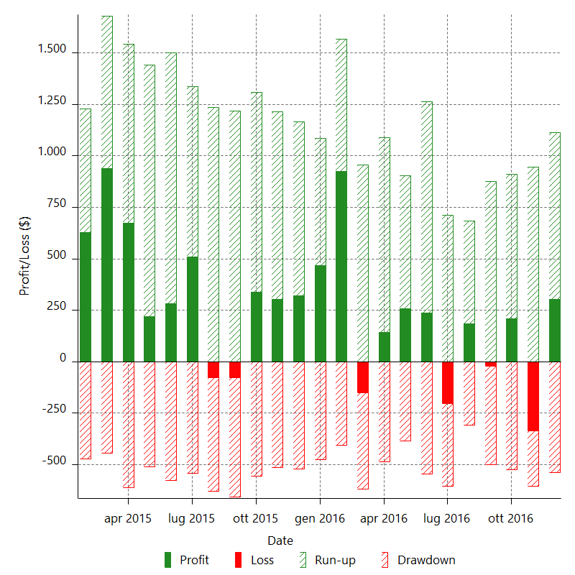

Monthly Returns & Drawdowns (%)

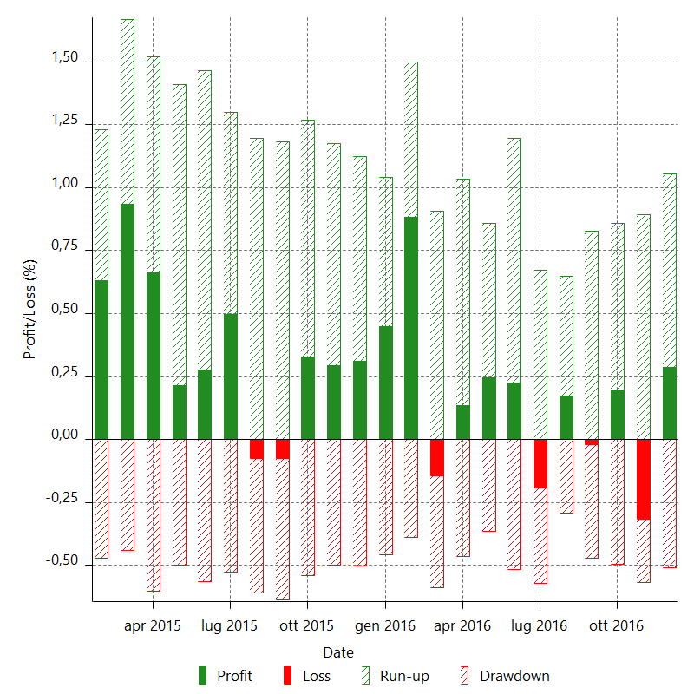

Monthly Accumulative Net Profit

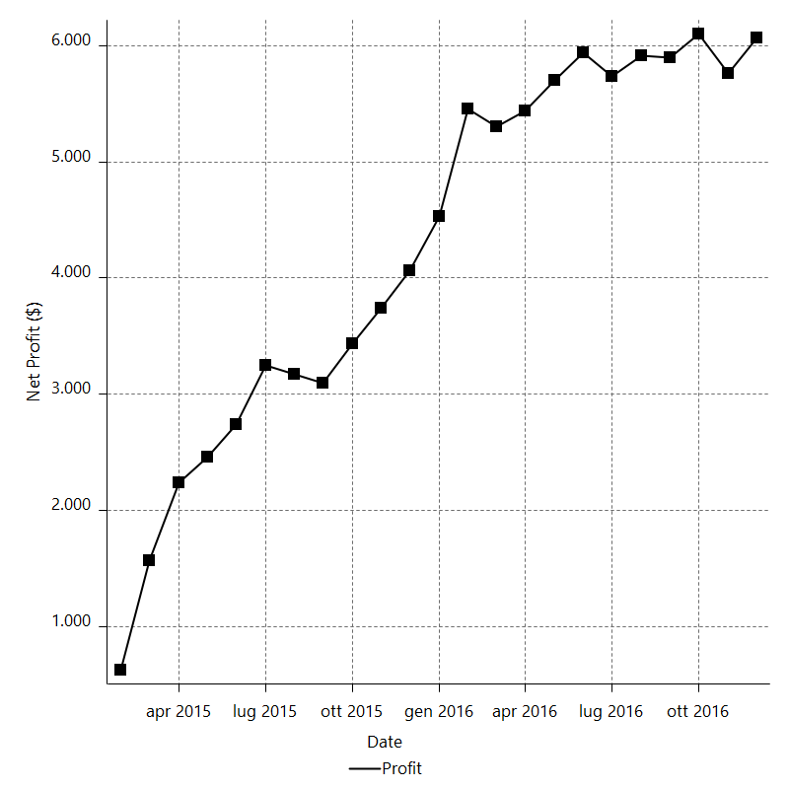

Average Profit By Month

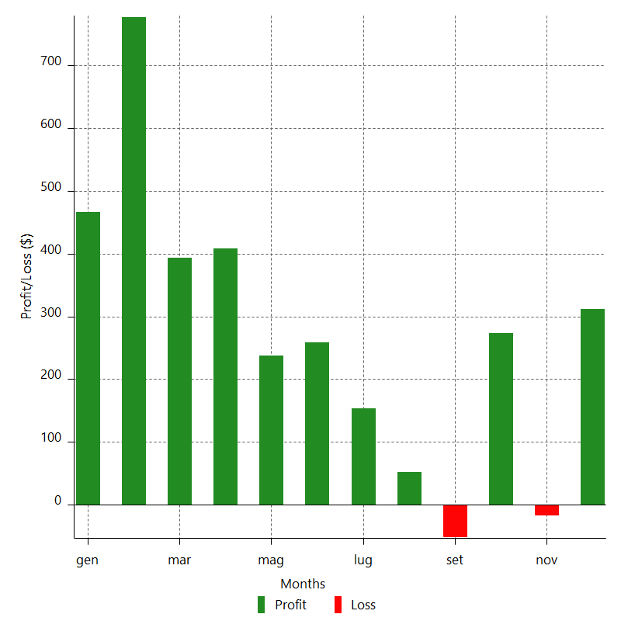

Annual Returns & Drawdowns

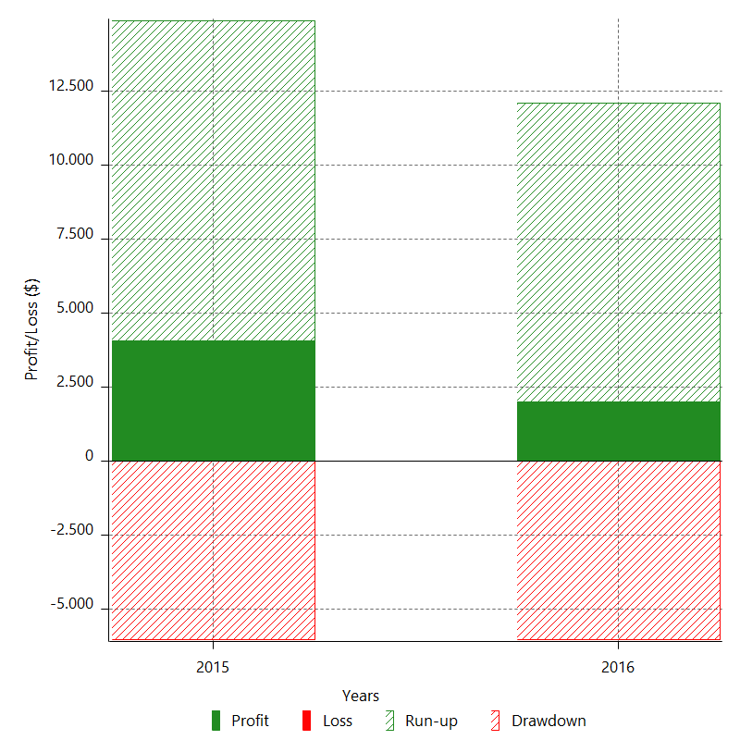

Annual Returns & Drawdowns (%)

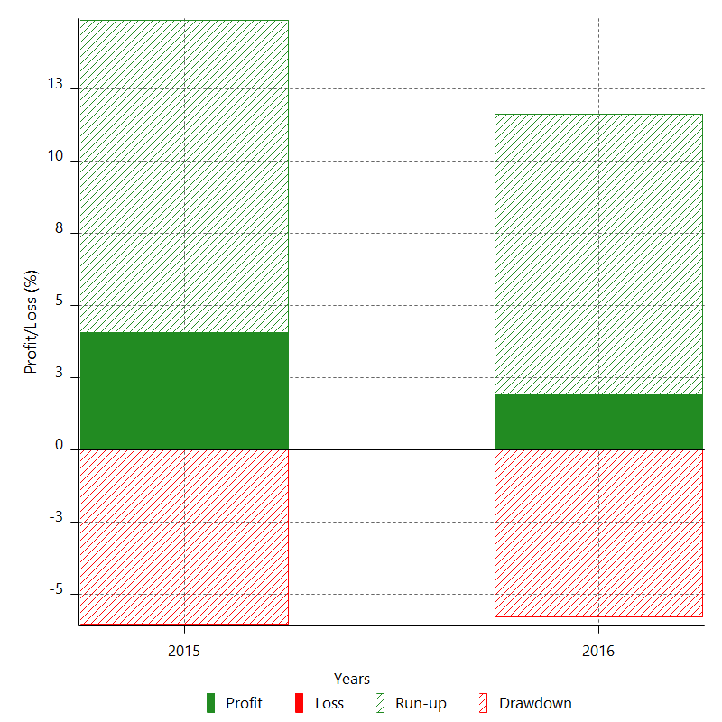

Annual Accumulative Net Profit

